383401
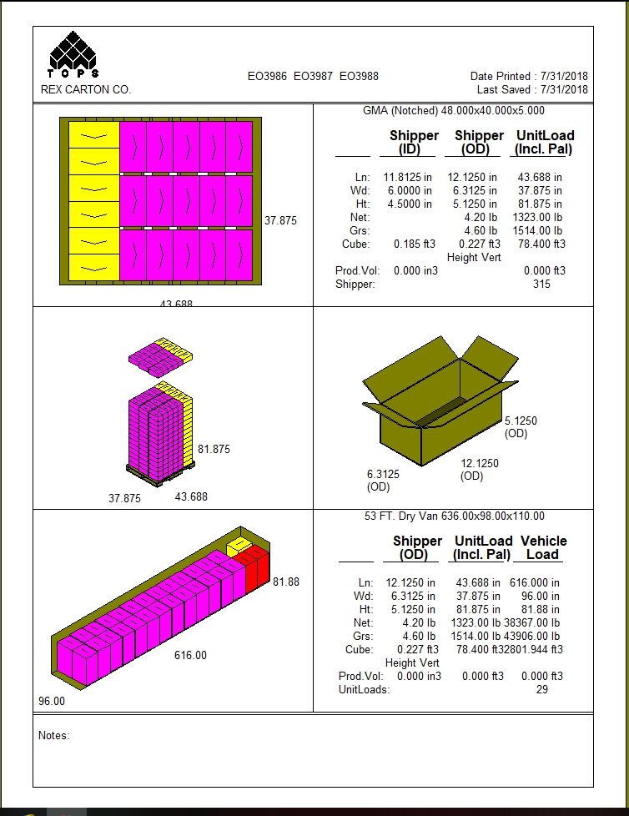
 |  |  | FINISHED PRODUCT SPECIFICATION

One Kronos Drive, Glendale Heights Illinois 60139 |  |  | Document: Research and Development
Effective Date: 09/06/2018 |  |  | Program: Specification Program
Revised By: Nancy Zuniga |  |  | Location: K/Finished Product Specification/Hummus
Approved By: Nick Spondike, Vice President - R&D / Executive Chef

Item Name: | ROASTED RED PEPPER HUMMUS 32 OZ. |  |  |  |  | Item Number: | 383401

Formula Number: | WD0505

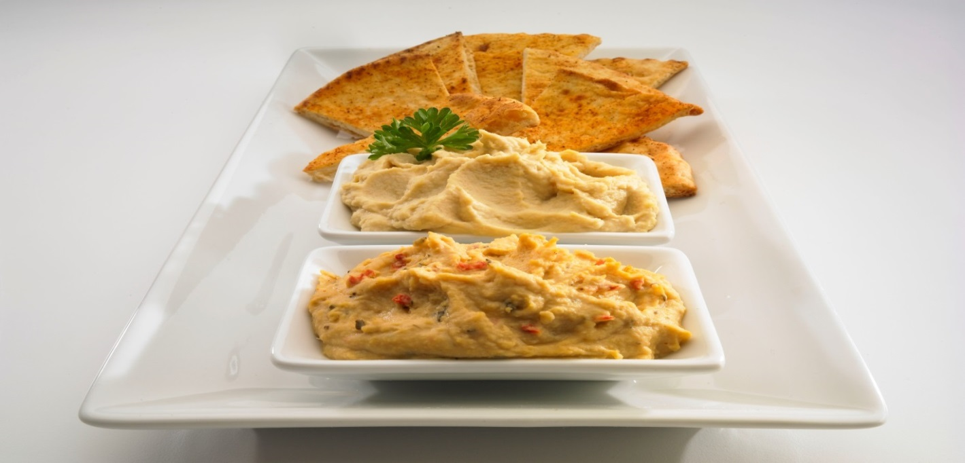

 |  |  |  | UNIT NET WEIGHT
 |  |  |  | 32 oz |  | 907 g
 |  |  |  | PRODUCT SPECIFICATION
 |  |  |  |  | MINIMUM | TARGET | MAXIMUM
 |  |  |  | pH | 4.20 | 4.40 | 4.6

ITEM DESCRIPTION

Flavor: Fresh Chickpeas with a blend of roasted red peppers flavor.
Physical Description: Smooth to Grainy Texture and with a Creamy Spread
Color: Orange to a Redish Color

ITEM PACKAGING
 |  |  |  |  |  | ROASTED RED PEPPER HUMMUS PRINTED OYSTER BOX

Primary Packaging: |  |  |  | Primary Case Type:
Cases Per Pallet: |  | 315 Cases |  | No. of Tubs / Case: |  | 2 Tubs / 32 oz each
Rows Per Pallet (Hi): |  | 15 High |  | Case Gross Wt. (lbs): |  | 4.60 lbs
Cases Per Row (Ti): |  | 21 Cases Per Layer |  | Case Gross Wt. (kg): |  | 2.09 kg
Case Dimensions (Inches): |  | 12.1250 x 6.3125 x 5.1250 in. |  | Case Net Wt. (lbs): |  | 4.00 lbs
SEC Code Number: |  | 100 77589 37401 0 |  | Case Net Wt. (kg): |  | 1.81 kg
UPC Number: |  | 0 77589 37401 3 |  | Cases Cube (Cu. Ft.): |  | 0.227 Cu. Ft.
Pallet Weight (lb & kg): |  | 1625 lb (737 kg) |  | Pallet Pattern Height (In.): |  | 81.875 in.

STORAGE & SHELF LIFE & CODE DATE FORMAT

Storage Conditions: |  | REFRIGERATED |  |  | Distributed: | REFRIGERATED (40° F)
Shelf Life from Production: |  | REFRIGERATED (40° F) 120 Days |  | Code Date Format: |  | Use By & Code Date On Containers & Master Boxes

 |  |  |  |  | EXAMPLE: | Manufacturing: 18001
 |  |  |  |  |  | Example: 18 (Year) 001 (Julian Date)
 |  |  |  |  |  | Use By: DEC 01 2017 = MMM DD YYYY

Certified Kosher |  | Certified Halal |  | Certified Organic |  | Certified CN
YES |  | NO |  | NO |  | NO


INGREDIENT STATEMENT

INGREDIENTS: CHICKPEAS (CHICKPEAS, WATER, CALCIUM CHLORIDE), WATER, CANOLA OIL WITH NATURAL ROASTED GARLIC FLAVOR, ROASTED RED PEPPERS, SESAME TAHINI, SEA SALT, CITRIC ACID, SPICES, SODIUM BENZOATE AND POTASSIUM SORBATE (TO PRESERVE FRESHNESS)

NUTRITIONALS PER SERVING SIZE

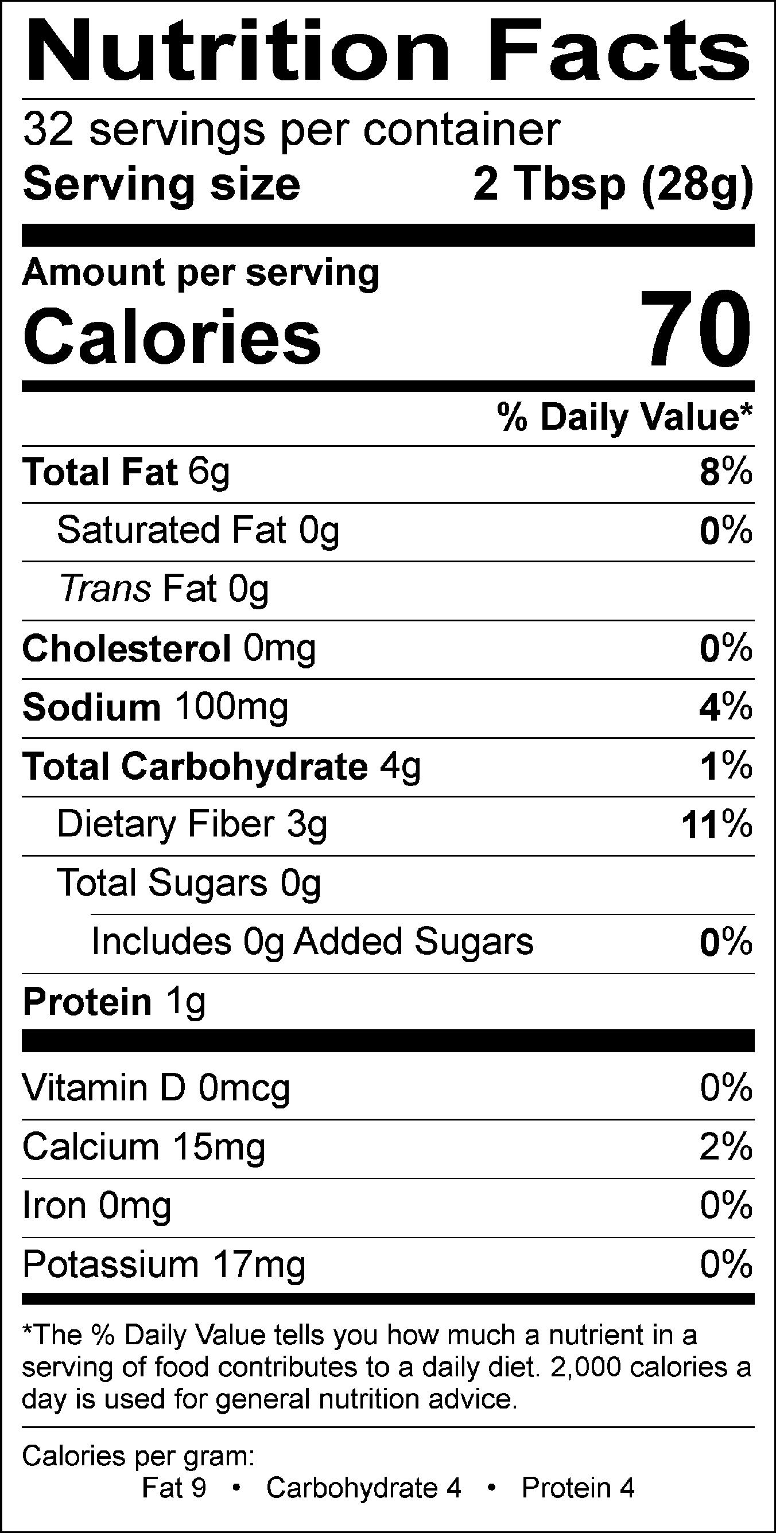
Nutrient Content Claims Per Serving Size:
Free of Saturated Fat
Free of Cholesterol
Low Sodium
Free of Sugar
Good source of Fiber
Good source of Vitamin C
"GLUTEN FREE"

Recommend Serving Size: 2 Tbsp (28g)

ALLERGENS AND OTHER SENSITIVE INGREDIENTS

 |  |  | Column I | Column II | Column III

 |  | ALLERGEN | Present in the Product | Present in other products manufactured on the same line | Present in the same manufacturing plant

 |  | Peanut | NO | NO | NO
 |  | Tree Nuts | NO | NO | NO
 |  | Milk and Dairy Products | NO | NO | YES
 |  | Eggs | NO | YES | YES
 |  | Fish | NO | NO | NO
 |  | Shellfish and Molluscs | NO | NO | NO
 |  | Soy | NO | NO | YES
 |  | Wheat | NO | YES | YES
 |  | Sulfites, e.g., sulfur dioxide and sodium metabisulfites, etc | NO | NO | YES
 |  | Monosodium Glutamate (MSG) | NO | NO | YES

NUTRITIONALS VALUES (100g UNROUNDED)

Product: | ROASTED RED PEPPER HUMMUS 32 OZ.

Nutrients | Per 100g | Nutrients | Per 100g | Nutrients | Per 100g | Nutrients | Per 100g
Basic Components |  | Trans Fatty Acid (g) | 0.09 | Vitamin B12 (mcg) | 0.00 | Magnesium (mg) | 7.05
Gram Weight (g) | 100.00 | Cholesterol (mg) | 0.00 | Biotin (mcg) | 0.00 | Manganese (mg) | 0.09
Calories (kcal) | 281.03 | Water (g) | 52.29 | Vitamin C (mg) | 2.46 | Molybdenum (mcg) | 0.00
Calories from Fat (kcal) | 191.10 | Ash (g) | 1.56 | Vitamin D - IU (IU) | 0.00 | Phosphorus (mg) | 38.30
Calories from SatFat (kcal) | 14.83 | Insoluble Fiber (g) | 0.00 | Vitamin D - mcg (mcg) | 0.00 | Potassium (mg) | 45.93
Protein (g) | 6.41 | Vitamins |  | Vitamin E - Alpha-Toco (mg) | 0.03 | Selenium (mcg) | 0.11
Carbohydrates (g) | 17.15 | Vitamin A - IU (IU) | 122.29 | Folate (mcg) | 4.90 | Sodium (mg) | 372.15
Dietary Fiber (g) | 11.80 | Vitamin A - RE (RE) | 10.22 | Folate, DFE (mcg) | 4.86 | Zinc (mg) | 0.25
Soluble Fiber (g) | 0.00 | Vitamin A - RAE (RAE) | 5.36 | Vitamin K (mcg) | 0.02 | Chloride (mg) | 0.00
Total Sugars (g) | 0.81 | Carotenoid RE (RE) | 10.22 | Pantothenic Acid (mg) | 0.00 | Poly Fats
Monosaccharides (g) | 0.00 | Retinol RE (RE) | 0.00 | Minerals |  | Omega 3 Fatty Acid (g) | 0.00
Disaccharides (g) | 0.00 | Beta-Carotene (mcg) | 63.00 | Calcium (mg) | 60.87 | Omega 6 Fatty Acid (g) | 0.00
Other Carbs (g) | 0.05 | Vitamin B1 (mg) | 0.06 | Chromium (mcg) | 0.00 | Other Nutrients
Fat (g) | 21.54 | Vitamin B2 (mg) | 0.02 | Copper (mg) | 0.08 | Alcohol (g) | 0.00
Saturated Fat (g) | 1.65 | Vitamin B3 (mg) | 0.29 | Fluoride (mg) | 0.00 | Caffeine (mg) | 0.00
Mono Fat (g) | 12.14 | Vitamin B3 - Niacin Equiv (mg) | 0.00 | Iodine (mcg) | 0.00 | Choline (mg) | 0.00
Poly Fat (g) | 6.31 | Vitamin B6 (mg) | 0.00 | Iron (mg) | 1.86

ROASTED RED PEPPER OYSTER PRINTED BOX



PALLET PATTERN

