661009
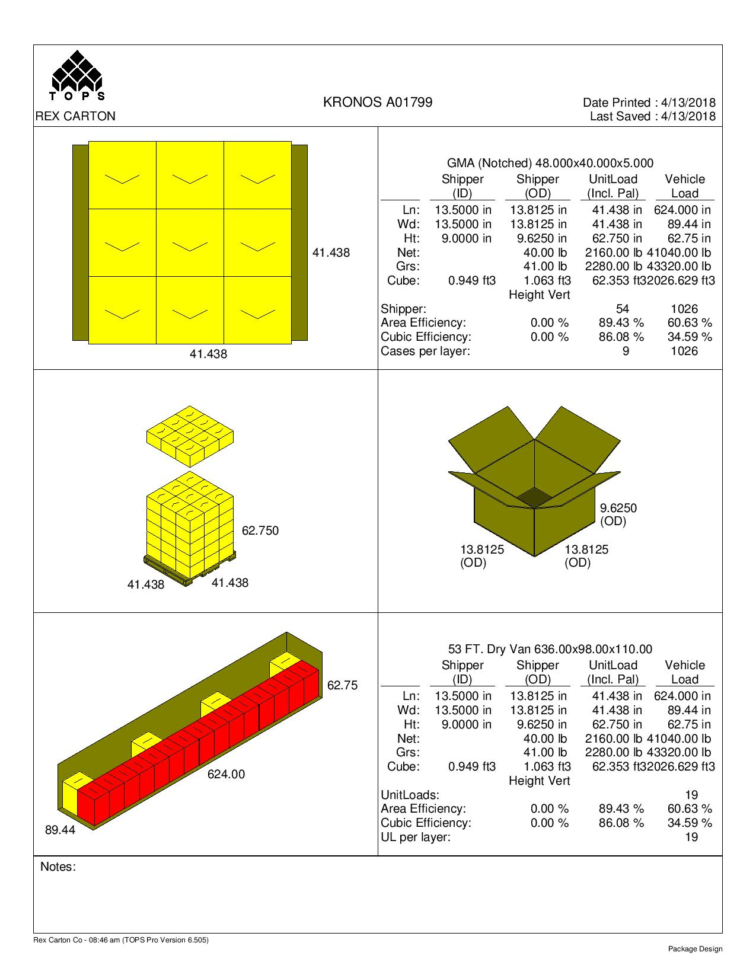
 |  |  | FINISHED PRODUCT SPECIFICATION

One Kronos Drive, Glendale Heights Illinois 60139 |  |  | Document: Research and Development
Effective Date: 03/11/2019 |  |  | Program: Specification Program
Revised By: Nancy Zuniga |  |  | Location: K/Finished Product Specification/Meat
Approved By: Nick Spondike, Vice President - R&D / Executive Chef

Item Name: | HALAL CONES 4/10 LBS |  |  |  |  | Item Number: | 661009

Formula Number: | WM0133

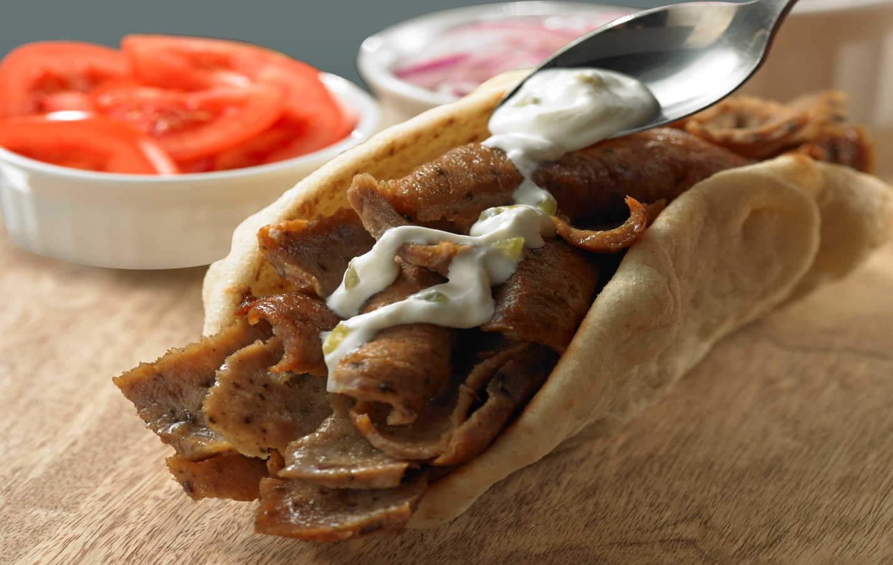
 |  |  |  | UNIT NET WEIGHT
 |  |  |  | 10.00 lbs |  | 4.54 kg

ITEM PACKAGING

Primary Packaging: |  | Printed Plastic Bags and Kwick Locks |  | Primary Case Type: |  | PRINTED MASTER CASE
Cases Per Pallet: |  | 54 Cases |  | No. of Cones / Case: |  | 4/10 lb Cones
Rows Per Pallet (Hi): |  | 6 Cases High |  | Case Gross Wt. (lbs): |  | 41.00 lbs
Cases Per Row (Ti): |  | 9 Cases Per Row |  | Case Gross Wt. (kg): |  | 18.60 kg
Case Dimensions (Inches): |  | 13.8125 x 13.8125 x 9.6250 in. |  | Case Net Wt. (lbs): |  | 40.00 lbs
UPC Code Number: |  | N/A |  | Case Net Wt. (kg): |  | 18.14 kg
SEC / ITF Number: |  | 100 77589 66009 0 |  | Cases Cube (Cu. Ft.): |  | 1.063 Cu. Ft.
Pallet Weight (lb & kg): |  | 2280 lbs (1034 kg) |  | Pallet Pattern Height (In.): |  | 62.75 in.
 |  | \

STORAGE & SHELF LIFE & CODE DATE FORMAT

Storage Conditions: |  | FROZEN (0°F) |  |  | Distributed: | FROZEN (0°F)
Shelf Life from Production: |  | FROZEN (0°F) : 9 MONTHS |  | Code Date Format: |  | Manufacturing: 19001012
 |  | (270 DAYS) |  |  |  | Example:
 |  |  |  |  |  | 19 (Year) 001 (Julian) 01 (Batch) 2 (Line)

Certified Kosher |  | Certified Halal |  | Certified Organic |  | Certified CN
NO |  | YES |  | NO |  | NO
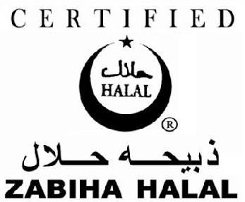

INGREDIENT STATEMENT

INGREDIENTS:
BEEF, WATER, BREADCRUMBS (WHEAT FLOUR, DEXTROSE, SALT, YEAST), LAMB, SOY PROTEIN CONCENTRATE, CONTAINS LESS THAN 2% OF SALT, SEASONING (SPICES, GARLIC POWDER, ONION POWDER, SOYBEAN OIL), YEAST EXTRACT, DISODIUM INOSINATE & GUANYLATE.

CONTAINS: SOY, WHEAT.

NUTRITIONALS PER SERVING SIZE

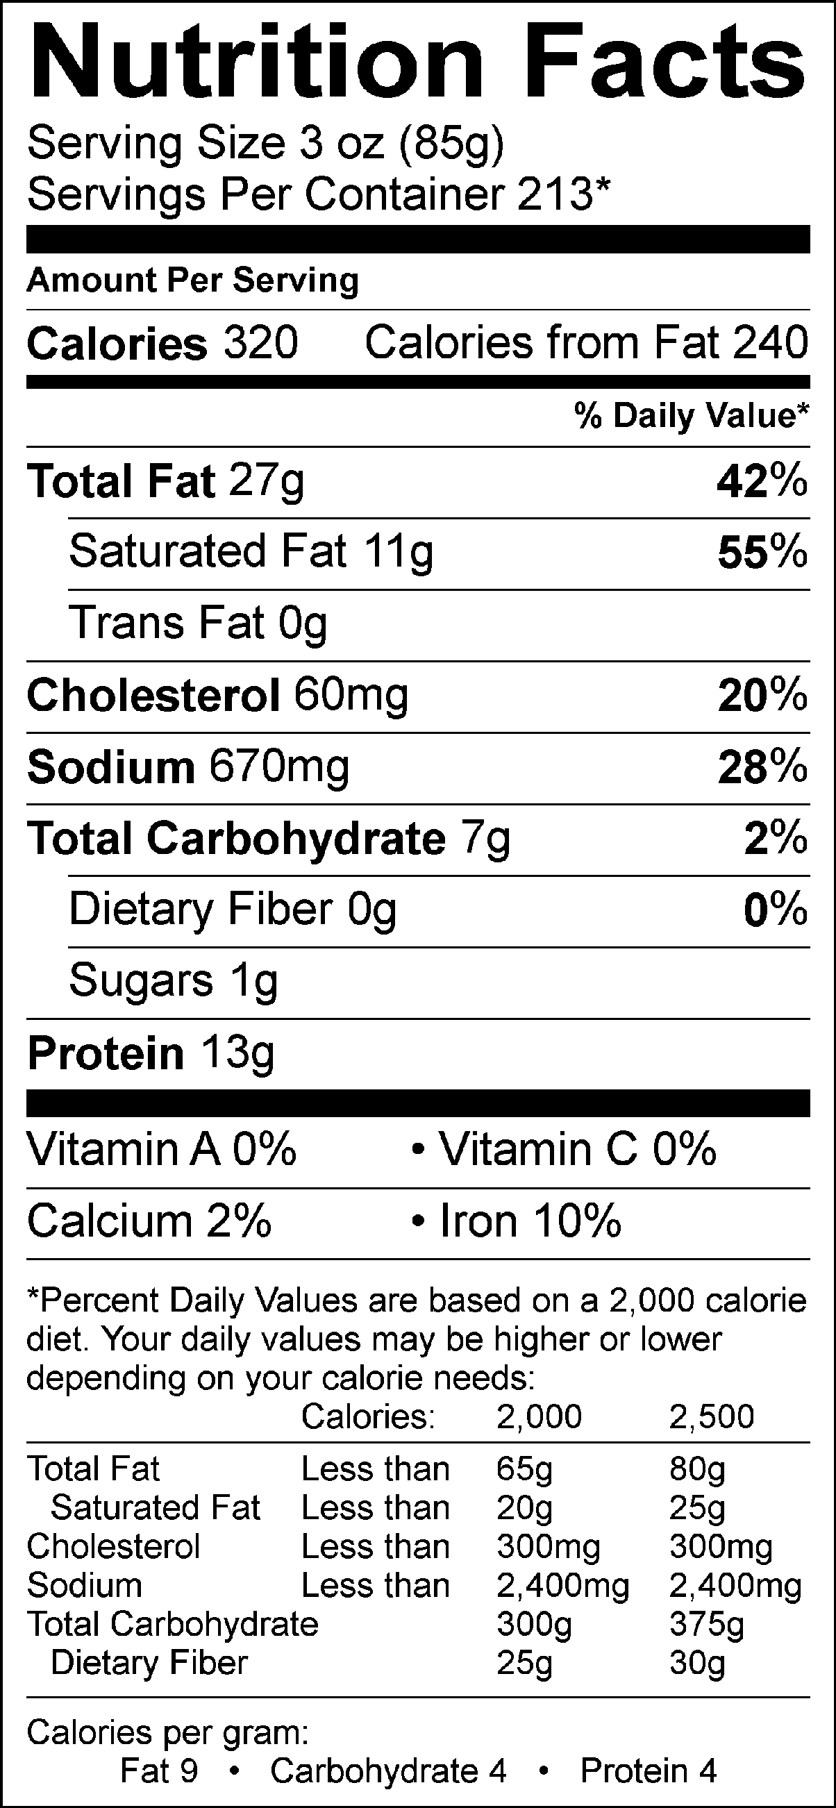
Nutrient Content Claims Per Serving Size:
High Protein

Recommend Serving Size: 3 oz. (85g)
Servings Per Container: 213
*Kronos Gyro Cone Servings Size are approximate; yields are established during regularly performed Quality Control Cuttings and averaged. While every effort has been made to ensure its accuracy; seasonal variation in cattle, herd, feed and climate, region and time to slaughter may alter these results. Actual Serving Size Can Vary.

ALLERGENS AND OTHER SENSITIVE INGREDIENTS

 |  |  | Column I | Column II | Column III

 |  | ALLERGEN | Present in the Product | Present in other products manufactured on the same line | Present in the same manufacturing plant

 |  | Peanut | NO | NO | NO
 |  | Tree Nuts | NO | NO | NO
 |  | Milk and Dairy Products | NO | YES | YES
 |  | Eggs | NO | NO | YES
 |  | Fish | NO | NO | NO
 |  | Shellfish and Molluscs | NO | NO | NO
 |  | Soy | YES | YES | YES
 |  | Wheat | YES | YES | YES
 |  | Sulfites, e.g., sulfur dioxide and sodium metabisulfites, etc | NO | NO | YES
 |  | Monosodium Glutamate (MSG) | NO | YES | YES

NUTRITIONALS VALUES (100g UNROUNDED)

Product: | HALAL CONES 4/10 LBS |  |  |  | GENESIS EFFECTIVE DATE: 03/11/2019

Nutrients | Per 100g | Nutrients | Per 100g | Nutrients | Per 100g | Nutrients | Per 100g
Basic Components |  | Trans Fatty Acid (g) | 0.00 | Vitamin B12 (mcg) | 0.53 | Magnesium (mg) | 8.90
Gram Weight (g) | 100.00 | Cholesterol (mg) | 68.92 | Biotin (mcg) | 0.02 | Manganese (mg) | 0.14
Calories (kcal) | 381.00 | Water (g) | 40.72 | Vitamin C (mg) | 0.13 | Molybdenum (mcg) | 0.57
Calories from Fat (kcal) | 286.81 | Ash (g) | 2.62 | Vitamin D - IU (IU) | 0.00 | Phosphorus (mg) | 76.86
Calories from SatFat (kcal) | 118.44 | Insoluble Fiber (g) | 0.00 | Vitamin D - mcg (mcg) | 0.00 | Potassium (mg) | 97.01
Protein (g) | 14.96 | Vitamins |  | Vitamin E - Alpha-Toco (mg) | 0.04 | Selenium (mcg) | 3.61
Carbohydrates (g) | 8.13 | Vitamin A - IU (IU) | 9.17 | Folate (mcg) | 12.88 | Sodium (mg) | 787.42
Dietary Fiber (g) | 0.41 | Vitamin A - RE (RE) | 0.00 | Folate, DFE (mcg) | 12.88 | Zinc (mg) | 1.11
Soluble Fiber (g) | 0.02 | Vitamin A - RAE (RAE) | 0.00 | Vitamin K (mcg) | 0.27 | Chloride (mg) | 0.00
Total Sugars (g) | 0.18 | Carotenoid RE (RE) | 0.00 | Pantothenic Acid (mg) | 0.08 | Poly Fats
Monosaccharides (g) | 0.00 | Retinol RE (RE) | 0.00 | Minerals |  | Omega 3 Fatty Acid (g) | 0.05
Disaccharides (g) | 0.00 | Beta-Carotene (mcg) | 0.00 | Calcium (mg) | 21.57 | Omega 6 Fatty Acid (g) | 0.16
Other Carbs (g) | 0.18 | Vitamin B1 (mg) | 0.04 | Chromium (mcg) | 0.25 | Other Nutrients
Fat (g) | 31.87 | Vitamin B2 (mg) | 0.06 | Copper (mg) | 0.05 | Alcohol (g) | 0.00
Saturated Fat (g) | 13.16 | Vitamin B3 (mg) | 0.96 | Fluoride (mg) | 0.00 | Caffeine (mg) | 0.00
Mono Fat (g) | 13.78 | Vitamin B3 - Niacin Equiv (mg) | 1.80 | Iodine (mcg) | 0.00 | Choline (mg) | 0.00
Poly Fat (g) | 1.28 | Vitamin B6 (mg) | 0.07 | Iron (mg) | 2.05 | Sugar Alcohol (g) | 0.00

PRINTED MASTER CASE

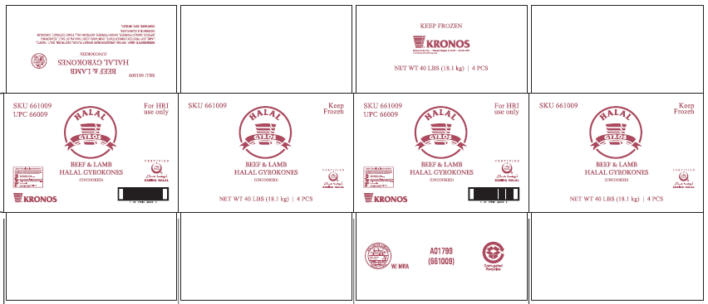

PALLET PATTERN

