2180
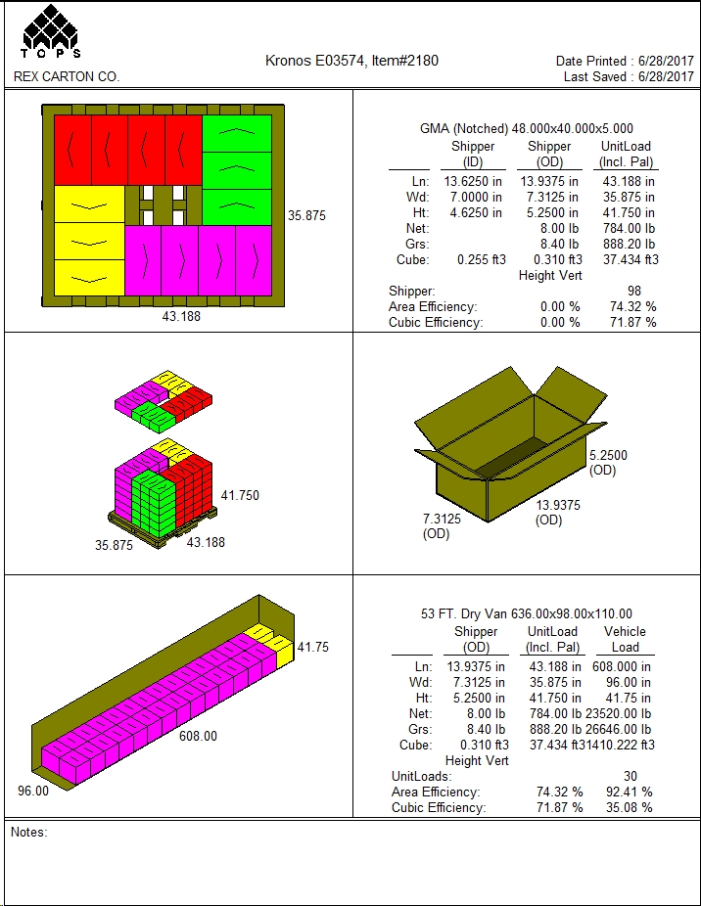
 |  |  | FINISHED PRODUCT SPECIFICATION

One Kronos Drive, Glendale Heights Illinois 60139 |  |  | Document: Research and Development
Effective Date: 12/21/2019 |  |  | Program: Specification Program
Revised By: Nancy Zuniga |  |  | Location: K/Finished Product Specification/Dairy
Approved By: Nick Spondike, Vice President - R&D / Executive Chef

Item Name: | TZATZIKI SAUCE 2/4 LB |  |  |  |  | Item Number: | 002180

Formula Number: | WD0200A

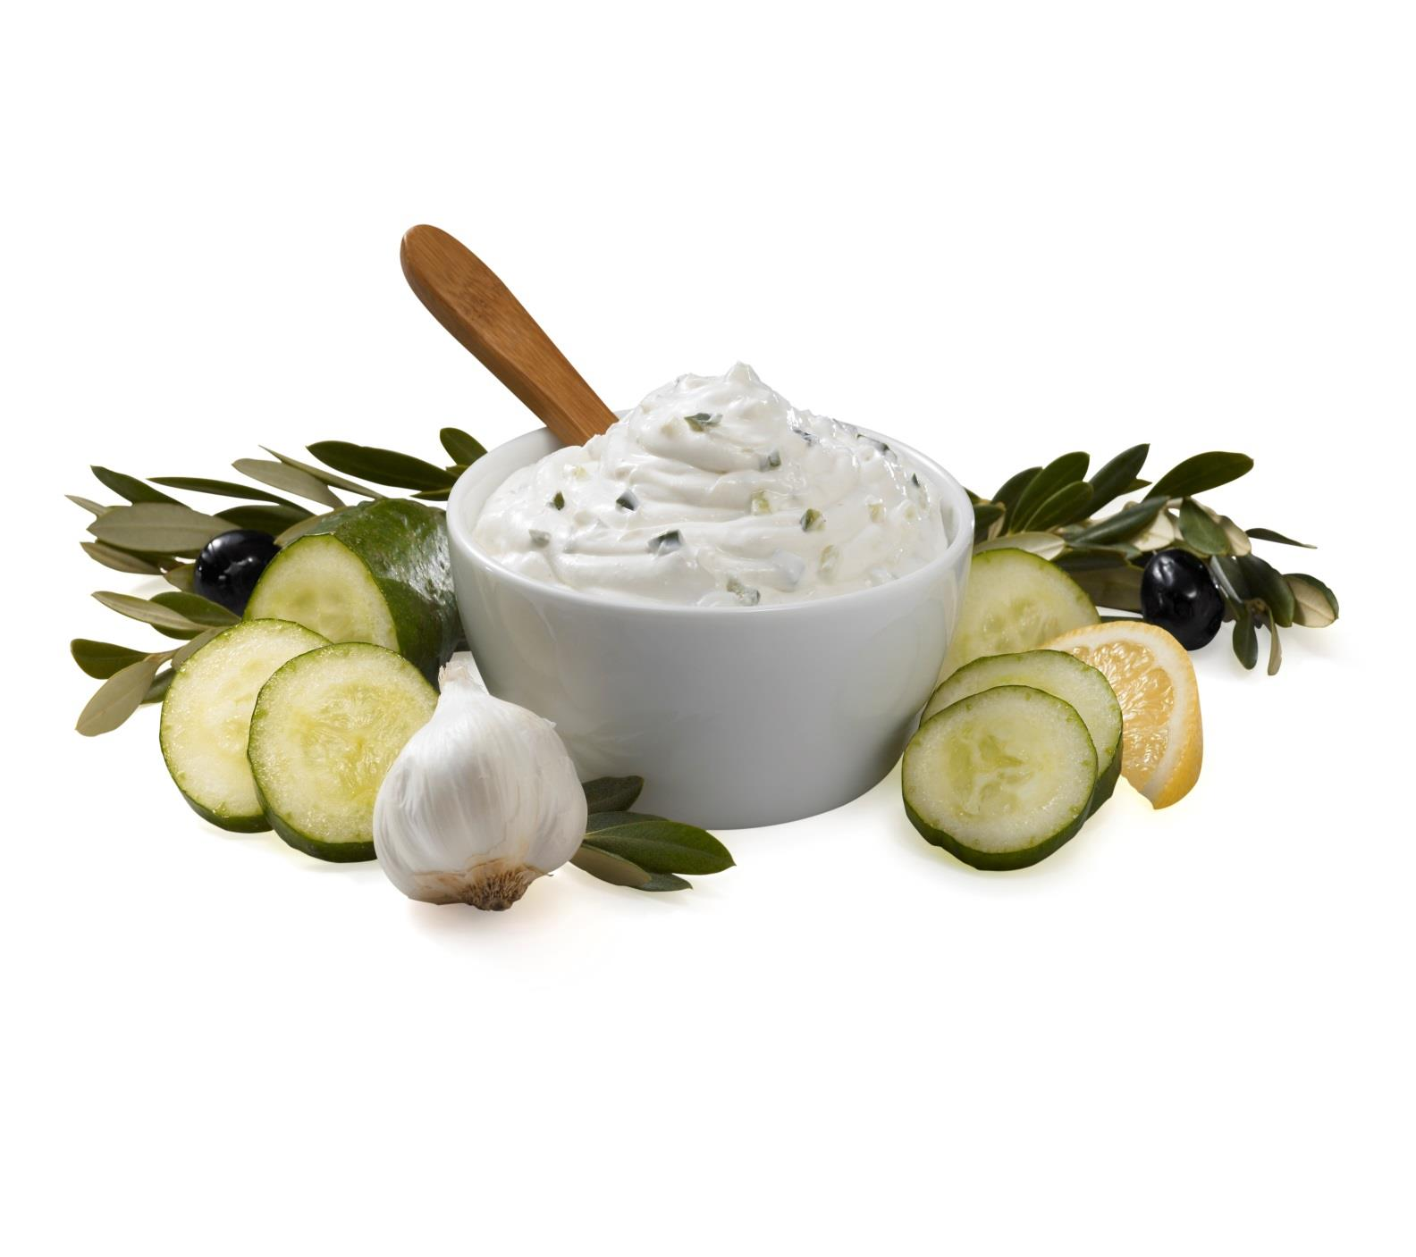
 |  |  |  | UNIT NET WEIGHT
 |  |  |  | 4 lb |  | 1.81 kg
 |  |  |  | PRODUCT SPECIFICATION
 |  |  |  |  | MINIMUM | TARGET | MAXIMUM
 |  |  |  | pH | 4.20 | 4.40 | 4.60
Acceptable Range
 | DAY | MIN | MAX
1 | 1 | 19 | 81
5 | 5 | 35 | 115
10 | 10 | 90 | 120
15 | 15 | 110 | 130
20 | 20 | 124 | 151
25 | 25 | 120 | 200
30 | 30 | 115 | 235
35 | 35 | 110 | 240

ITEM DESCRIPTION

Physical Description: Off White with Green Pieces of Cucumbers
Flavor: Tart and Creamy with Cucumber and Garlic Off Notes Flavor
Color: Creamy and Smooth
" PRODUCT MANUFACTURED IN THE USA"

ITEM PACKAGING
 |  | Printed Cup with Seal Film Lid and Printed Lid
Primary Packaging: |  |  |  | Primary Case Type: |  | Printed Master Case
Cases Per Pallet: |  | 98 cases |  | No. of Cups / Case: |  | 2 Tubs / 4 lb Each
Rows Per Pallet (Hi): |  | 7 Cases High |  | Case Gross Wt. (lbs): |  | 8.40 lbs
Cases Per Row (Ti): |  | 14 Cases Per Layer |  | Case Gross Wt. (kg): |  | 3.81 kg
Case Dimensions: |  | 13.9375 x 7.3125 x 5.2500 in. |  | Case Net Wt. (lbs): |  | 8.00 lbs
UPC Code Number: |  | 0 77589 11185 4 |  | Case Net Wt. (kg): |  | 3.63 kg
SEC / ITF Number: |  | 100 77589 19180 8 |  | Cases Cube (Cu. Ft.): |  | 0.31 Cu. Ft.
Pallet Weight (lb & kg): |  | 888.20 lbs (403 kg) |  | Pallet Pattern Height (In.): |  | 41.75 in.

STORAGE & SHELF LIFE & CODE DATE FORMAT

Storage Conditions: |  | Refrigerated (40°F) |  |  | Distributed: | Refrigerated (40°F)
Shelf Life from Production: |  | Refrigerated (40°F): 120 Days |  | Code Date Format: |  | TUB : Use By ; Julian Date & Batch Number and Military Hour
 |  | (From Date Of Production)
 |  |  |  |  |  | Example: 20 (Year) 001 (Julian Date)
 |  |  |  |  |  | 1 (Batch) 13:25 (Military Hour)
 |  |  |  |  |  | Use By: DEC 01 20 = MMM DD YY
 |  |  |  |  |  | CASE : Use By ; Julian Date and Batch Number

 |  |  |  |  |  | Example: 20 (Year) 001 (Julian Date)
 |  |  |  |  |  | 1 (Batch)
 |  |  |  |  |  | Use By: DEC 01 20 = MMM DD YY

Certified Kosher |  | Certified Halal |  | Certified Organic |  | Certified CN
NO |  | NO |  | NO |  | NO

INGREDIENT STATEMENT

INGREDIENTS:
WATER, HYDROGENATED COCONUT OIL, NONFAT DRY MILK, CUCUMBERS, CONTAINS LESS THAN 2% OF MODIFIED FOOD STARCH, GUAR GUM, MONO AND DIGLYCERIDES, LOCUST BEAN GUM, CARRAGEENAN, LACTIC ACID, CITRIC ACID, NATURAL FLAVOR, GRANULATED GARLIC, SALT, GARLIC, LEMON JUICE CONCENTRATE, SUGAR, POTASSIUM SORBATE.

CONTAINS: MILK

NUTRITIONALS PER SERVING SIZE

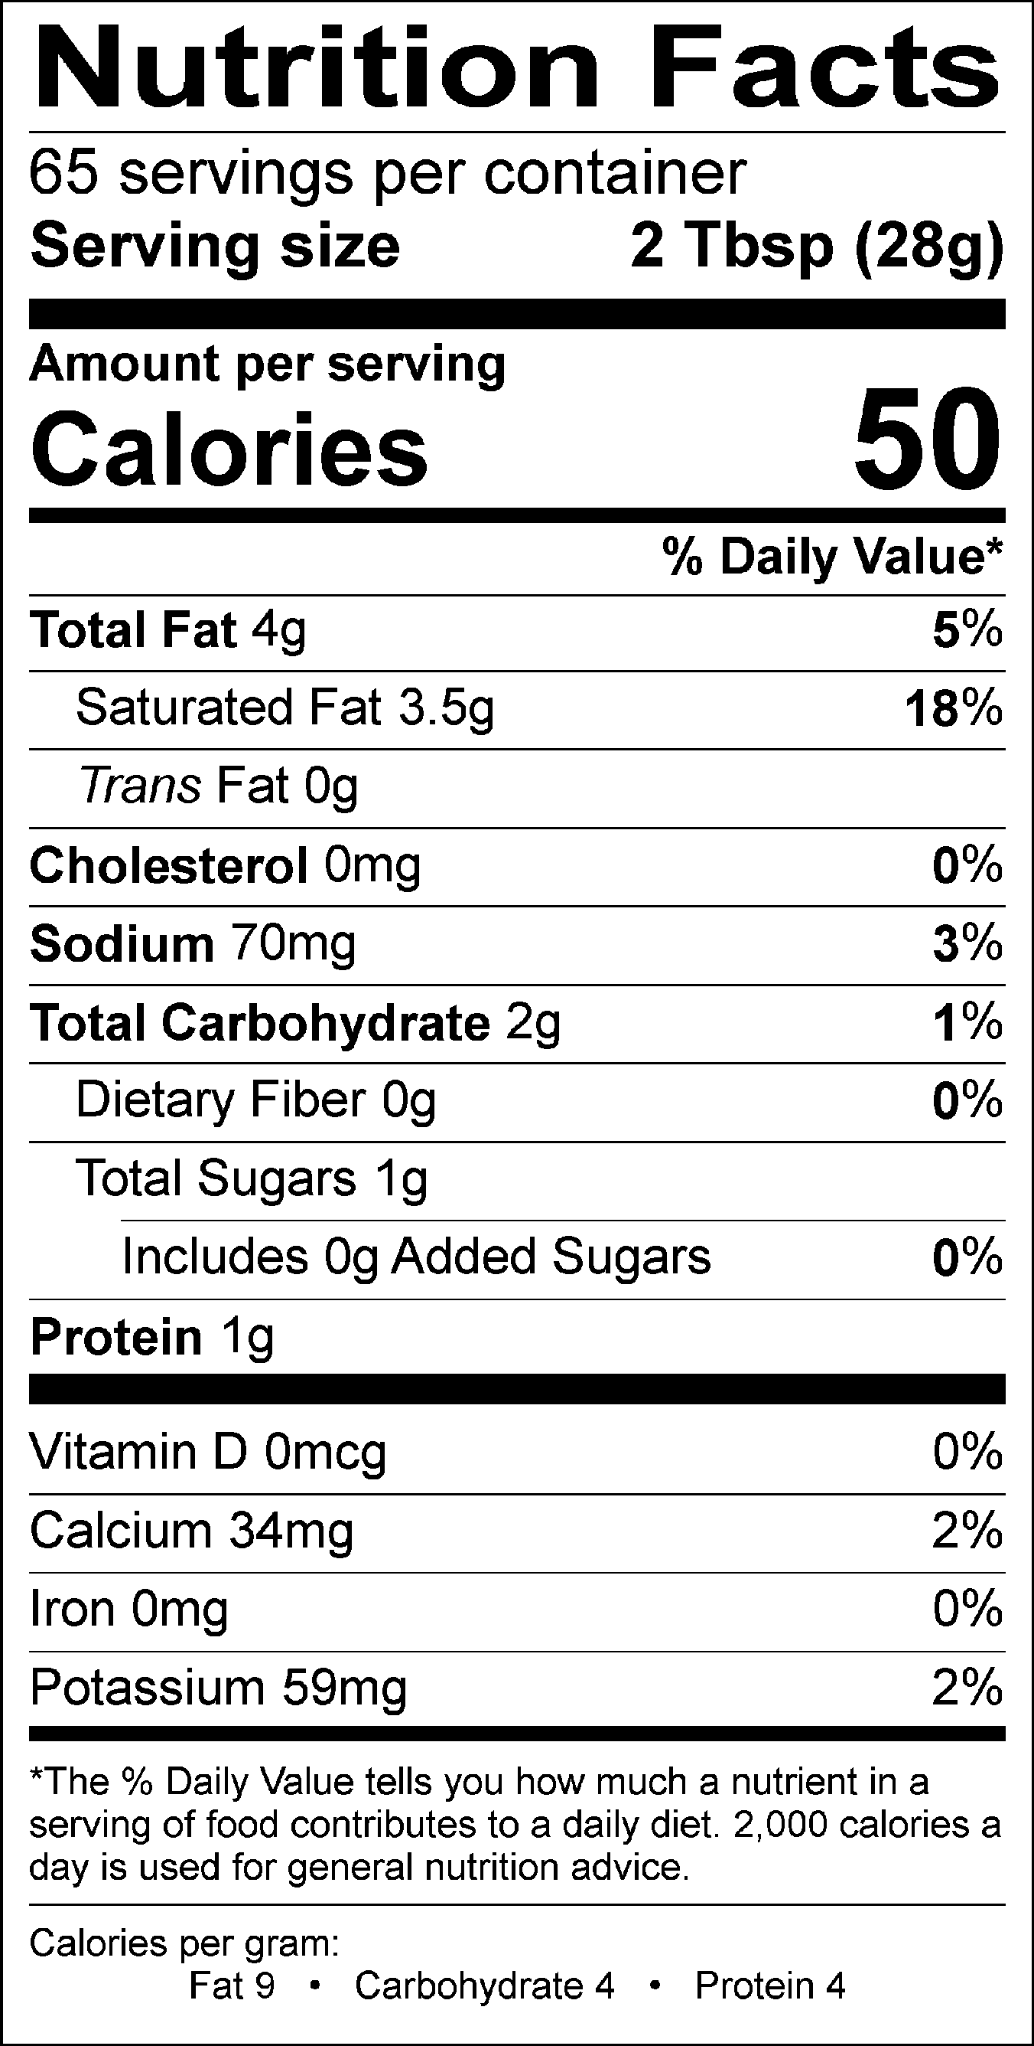
Nutrient Content Claims Per Serving Size:
Sodium: low sodium
"GLUTEN FREE"

Recommend Serving Size: 2 Tbsp (28 g)
Servings Per Container: 65

ALLERGENS AND OTHER SENSITIVE INGREDIENTS

 |  |  | Column I | Column II | Column III

 |  | ALLERGEN | Present in the Product | Present in other products manufactured on the same line | Present in the same manufacturing plant

 |  | Peanut | NO | NO | NO
 |  | Tree Nuts | NO | NO | NO
 |  | Milk and Dairy Products | YES | YES | YES
 |  | Eggs | NO | NO | YES
 |  | Fish | NO | NO | NO
 |  | Shellfish and Molluscs | NO | NO | NO
 |  | Soy | NO | NO | YES
 |  | Wheat | NO | NO | YES
 |  | Sulfites, e.g., sulfur dioxide and sodium metabisulfites, etc | NO | NO | YES
 |  | Monosodium Glutamate (MSG) | NO | NO | YES

NUTRITIONALS VALUES (100g UNROUNDED)

Product: | TZATZIKI SAUCE 2/4 LB |  |  |  | GENESIS EFFECTIVE DATE: 12/21/2019

Nutrients | Per 100g | Nutrients | Per 100g | Nutrients | Per 100g | Nutrients | Per 100g
Basic Components |  | Trans Fatty Acid (g) | 0.00 | Vitamin B12 (mcg) | 0.00 | Magnesium (mg) | 1.67
Gram Weight (g) | 100.00 | Cholesterol (mg) | 1.90 | Biotin (mcg) | 0.00 | Manganese (mg) | 0.01
Calories (kcal) | 173.34 | Water (g) | 72.12 | Vitamin C (mg) | 1.45 | Molybdenum (mcg) | 0.00
Calories from Fat (kcal) | 128.41 | Ash (g) | 1.33 | Vitamin D - IU (IU) | 0.00 | Phosphorus (mg) | 96.39
Calories from SatFat (kcal) | 115.40 | Insoluble Fiber (g) | 0.00 | Vitamin D - mcg (mcg) | 0.00 | Potassium (mg) | 211.48
Protein (g) | 3.60 | Vitamins |  | Vitamin E - Alpha-Toco (mg) | 0.02 | Selenium (mcg) | 0.17
Carbohydrates (g) | 7.85 | Vitamin A - IU (IU) | 12.38 | Folate (mcg) | 0.93 | Sodium (mg) | 251.85
Dietary Fiber (g) | 0.00 | Vitamin A - RE (RE) | 0.99 | Folate, DFE (mcg) | 0.93 | Zinc (mg) | 0.04
Soluble Fiber (g) | 0.00 | Vitamin A - RAE (RAE) | 0.47 | Vitamin K (mcg) | 1.62 | Chloride (mg) | 0.00
Total Sugars (g) | 5.20 | Carotenoid RE (RE) | 0.00 | Pantothenic Acid (mg) | 0.03 | Poly Fats
Monosaccharides (g) | 0.00 | Retinol RE (RE) | 0.00 | Minerals |  | Omega 3 Fatty Acid (g) | 0.00
Disaccharides (g) | 0.01 | Beta-Carotene (mcg) | 0.00 | Calcium (mg) | 121.81 | Omega 6 Fatty Acid (g) | 0.26
Other Carbs (g) | 0.40 | Vitamin B1 (mg) | 0.01 | Chromium (mcg) | 0.01 | Other Nutrients
Fat (g) | 14.89 | Vitamin B2 (mg) | 0.15 | Copper (mg) | 0.01 | Alcohol (g) | 0.00
Saturated Fat (g) | 12.82 | Vitamin B3 (mg) | 0.02 | Fluoride (mg) | 0.12 | Caffeine (mg) | 0.00
Mono Fat (g) | 0.85 | Vitamin B3 - Niacin Equiv (mg) | 0.02 | Iodine (mcg) | 0.00 | Choline (mg) | 0.43
Poly Fat (g) | 0.27 | Vitamin B6 (mg) | 0.01 | Iron (mg) | 0.11 |  | 0.00

PALLET PATTERN

