2087
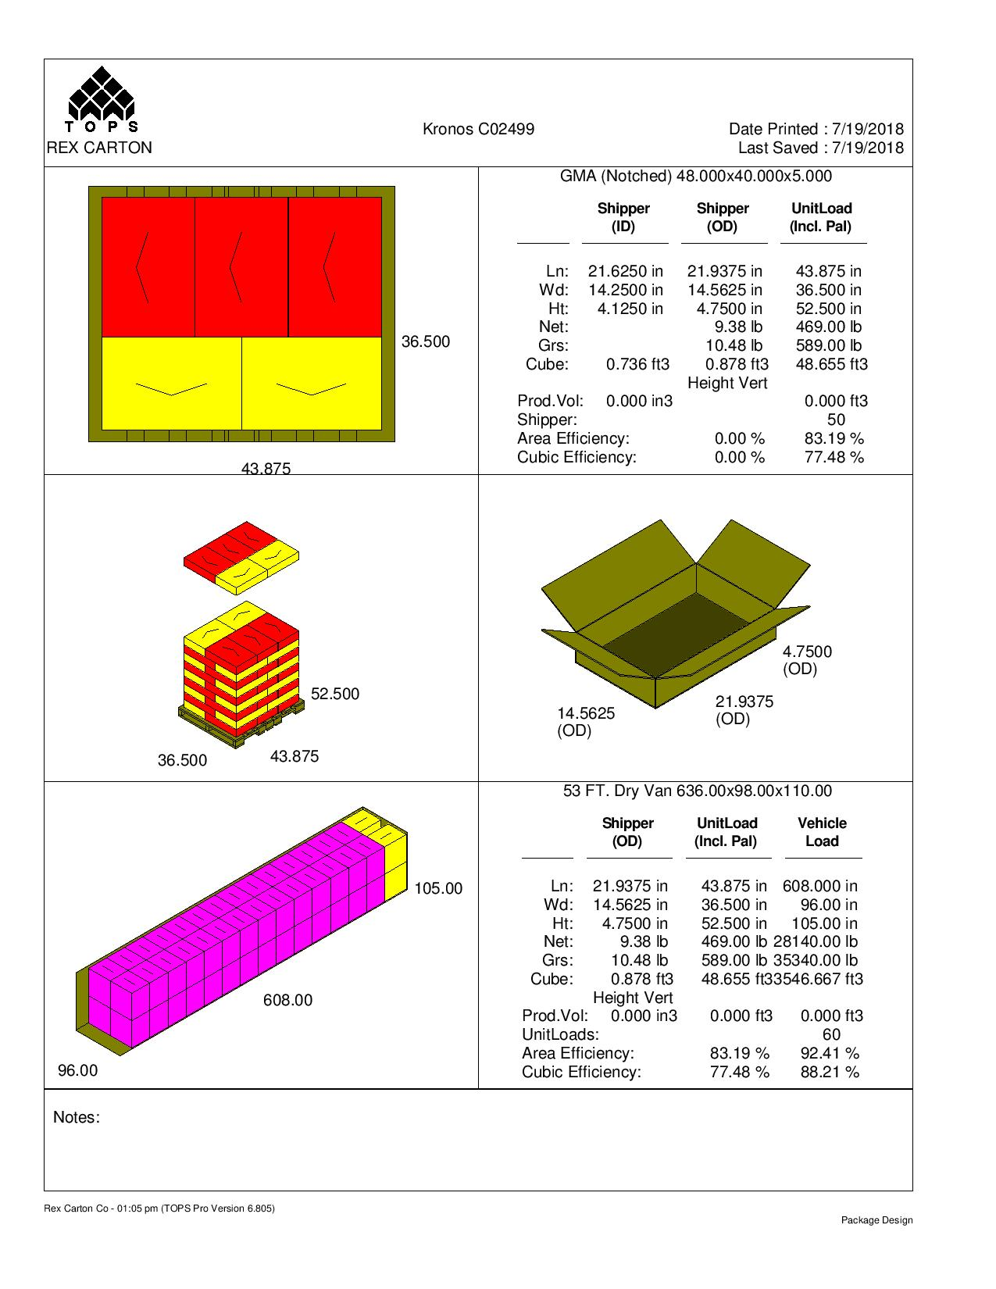
 |  |  | FINISHED PRODUCT SPECIFICATION

One Kronos Drive, Glendale Heights Illinois 60139 |  |  | Document: Research and Development
Effective Date: 04/10/2019 |  |  | Program: Specification Program
Revised By: Nancy Zuniga |  |  | Location: K/Finished Product Specification/Bakery
Approved By: Nick Spondike, Vice President - R&D / Executive Chef

Item Name: | AUTHENTIC 6" DELI PITA |  |  |  |  | Item Number: | 002087

Formula Number: | WB0101

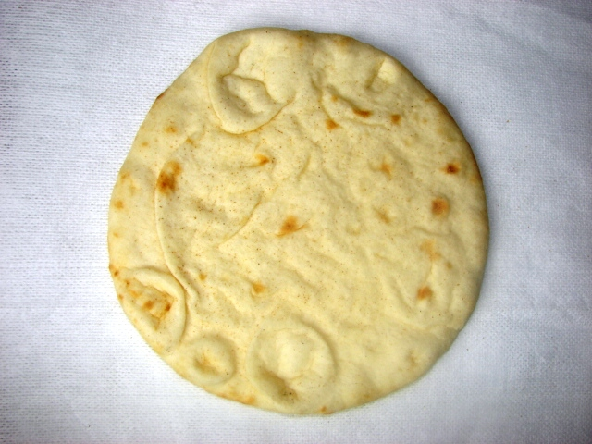
 |  |  |  | FINAL WEIGHT PER PITA
 |  |  |  | 2.5 oz |  | 71 g
 |  |  |  | FINISHED PITA DIMENSIONS
 |  |  |  |  | MINIMUM | TARGET | MAXIMUM
 |  |  |  | WEIGHT (oz) | 2.30 | 2.50 | 2.7
 |  |  |  | LENGTH (in.) | 6.00 | 6.25 | 6.50
 |  |  |  | WIDTH (in.) | N/A | N/A | N/A
 |  |  |  | HEIGHT (in.) | N/A | N/A | N/A

ITEM DESCRIPTION

Flavor: Typical Baked Flavor
Color: Fully Baked with Toast Points on Top and Bottom
Texture: Firm, Moist and Tender

ITEM PACKAGING

Primary Packaging: |  | Printed 6" Zip-lock Kronos Bag |  | Primary Case Type: |  | Plain Box with Case Label
No. of Pieces / Bag: |  | 5 Pitas per bag |  | No. of Bags / Case: |  | 12 bags
No. of Pieces / Case: |  | 60 Pitas per case |  | Case Gross Wt. (lbs): |  | 10.48 lbs
Cases Per Pallet: |  | 50 Cases per pallet |  | Case Gross Wt. (kg): |  | 4.75 kg
Rows Per Pallet (Hi): |  | 10 cases High |  | Case Net Wt. (lbs): |  | 9.38 lbs
Cases Per Row (Ti): |  | 5 cases Per Layer |  | Case Net Wt. (kg): |  | 4.25 kg
Case Dimensions: |  | 21.9375 x 14.5625 x 4.7500 in. |  | Cases Cube (Cu. Ft.): |  | 0.878 Cu. Ft.
UPC Code Number: |  | 100 77589 40087 0 |  | Pallet Weight (lbs/kg): |  | 589 lbs (267 kg)

STORAGE & SHELF LIFE & CODE DATE FORMAT

Storage Conditions: |  | FROZEN (0°F) |  |  | Distributed: | 10°F or Less
Shelf Life from Production: |  | Frozen (0°F): 6 Months (180 days) |  | Code Date Format: |  | Bag Code: 190011
 |  | Refrigerated (40°F): 16 Days |  |  |  | Example: 19 (Year) 001 (Julian Date) 1 (Line#)
 |  | Ambient (70°F): 16 Days
 |  |  |  |  |  | Master Case: 19001101
 |  |  |  |  |  | Example: 19 (Year) 001 (Julian Date) 1 (Line#) 01 (Military Hour)

Certified Kosher |  | Certified Halal |  | Certified Organic |  | Certified CN
YES |  | NO |  | NO |  | NO

INGREDIENT STATEMENT

INGREDIENTS:
WHEAT FLOUR ENRICHED ([NIACIN, REDUCED IRON, THIAMINE MONONITRATE, RIBOFLAVIN, FOLIC ACID], MALTED BARLEY FLOUR), WATER, SOYBEAN OIL, YEAST, SALT, VITAL WHEAT GLUTEN, DOUGH CONDITIONER (MONO-DIGLYCERIDES, CALCIUM SULFATE, GUAR GUM, WHEAT STARCH, SODIUM METABISULFITE AND ASCORBIC ACID), OAT FIBER, SUGAR, PRESERVATIVES (CALCIUM PROPIONATE, FUMARIC ACID).

CONTAINS: WHEAT

*PROCESSED IN A FACILITY THAT USES DAIRY AND SOY PRODUCTS*

NUTRITIONALS PER SERVING SIZE

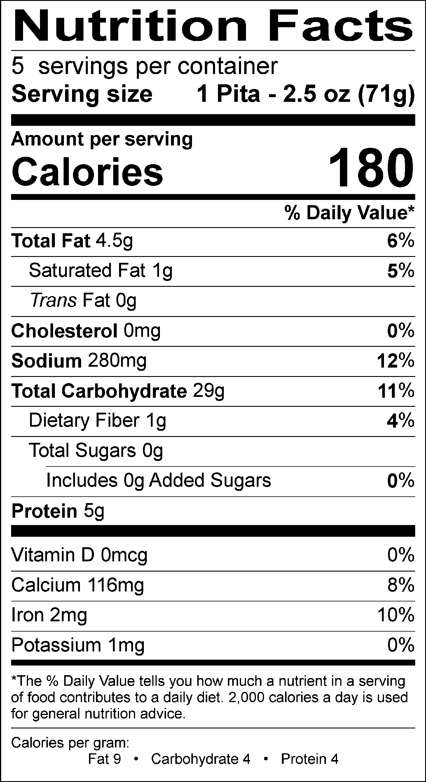
Nutrient Content Claims Per Serving Size:
Low Saturated Fat
Cholesterol free
Free of Sugar
High Vitamin B-1
Good source of Vitamin B-2
Good source of Vitamin B-3
Good source of Calcium
Good source of Iron

Recommend Serving Size: 1 Pita - 2.5 oz. (71 g)
Servings Per Container: 5

ALLERGENS AND OTHER SENSITIVE INGREDIENTS

 |  |  | Column I | Column II | Column III

 |  | ALLERGEN | Present in the Product | Present in other products manufactured on the same line | Present in the same manufacturing plant

 |  | Peanut | NO | NO | NO
 |  | Tree Nuts | NO | NO | NO
 |  | Milk and Dairy Products | NO | NO | YES
 |  | Eggs | NO | NO | YES
 |  | Fish | NO | NO | NO
 |  | Shellfish and Molluscs | NO | NO | NO
 |  | Soy | NO | YES | YES
 |  | Wheat | YES | YES | YES
 |  | Sulfites, e.g., sulfur dioxide and sodium metabisulfites, etc | YES | YES | YES
 |  | Monosodium Glutamate (MSG) | NO | NO | YES

NUTRITIONALS VALUES (100g UNROUNDED)

Product: | AUTHENTIC 6" DELI PITA |  |  |  | GENESIS EFFECTIVE DATE : 04/10/2019

Nutrients | Per 100g | Nutrients | Per 100g | Nutrients | Per 100g | Nutrients | Per 100g
Basic Components |  | Trans Fatty Acid (g) | 0.07 | Vitamin B12 (mcg) | 0.00 | Magnesium (mg) | 0.07
Gram Weight (g) | 100.00 | Cholesterol (mg) | 0.00 | Biotin (mcg) | 0.00 | Manganese (mg) | 0.00
Calories (kcal) | 254.31 | Water (g) | 35.15 | Vitamin C (mg) | 0.00 | Molybdenum (mcg) | 0.00
Calories from Fat (kcal) | 54.57 | Ash (g) | 1.73 | Vitamin D - IU (IU) | 0.41 | Phosphorus (mg) | 0.02
Calories from SatFat (kcal) | 10.57 | Insoluble Fiber (g) | 0.00 | Vitamin D - mcg (mcg) | 0.00 | Potassium (mg) | 1.08
Protein (g) | 7.73 | Vitamins |  | Vitamin E - Alpha-Toco (mg) | 0.10 | Selenium (mcg) | 0.00
Carbohydrates (g) | 41.28 | Vitamin A - IU (IU) | 0.00 | Folate (mcg) | 0.00 | Sodium (mg) | 400.51
Dietary Fiber (g) | 1.92 | Vitamin A - RE (RE) | 0.00 | Folate, DFE (mcg) | 0.00 | Zinc (mg) | 0.00
Soluble Fiber (g) | 0.05 | Vitamin A - RAE (RAE) | 0.00 | Vitamin K (mcg) | 2.18 | Chloride (mg) | 0.00
Total Sugars (g) | 0.43 | Carotenoid RE (RE) | 0.00 | Pantothenic Acid (mg) | 0.00 | Poly Fats
Monosaccharides (g) | 0.00 | Retinol RE (RE) | 0.00 | Minerals |  | Omega 3 Fatty Acid (g) | 0.00
Disaccharides (g) | 0.00 | Beta-Carotene (mcg) | 0.00 | Calcium (mg) | 163.36 | Omega 6 Fatty Acid (g) | 0.00
Other Carbs (g) | 0.22 | Vitamin B1 (mg) | 0.40 | Chromium (mcg) | 0.01 | Other Nutrients
Fat (g) | 6.08 | Vitamin B2 (mg) | 0.23 | Copper (mg) | 0.00 | Alcohol (g) | 0.00
Saturated Fat (g) | 1.17 | Vitamin B3 (mg) | 3.24 | Fluoride (mg) | 0.00 | Caffeine (mg) | 0.00
Mono Fat (g) | 1.17 | Vitamin B3 - Niacin Equiv (mg) | 0.00 | Iodine (mcg) | 0.00 | Choline (mg) | 0.00
Poly Fat (g) | 2.83 | Vitamin B6 (mg) | 0.00 | Iron (mg) | 2.62 | Sugar Alcohol (g) | 0.00

COLOR STANDARDS

 | TOP TARGET |  |  |  | BOTTOM TARGET

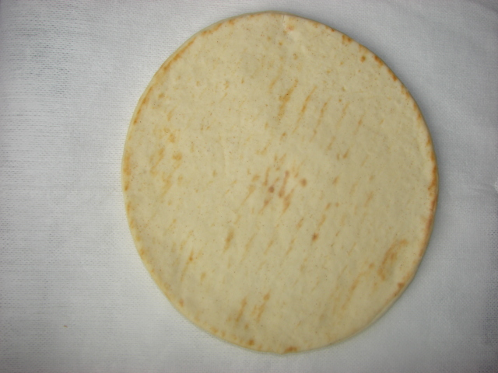

IN-HOUSE MASTER CASE LABEL

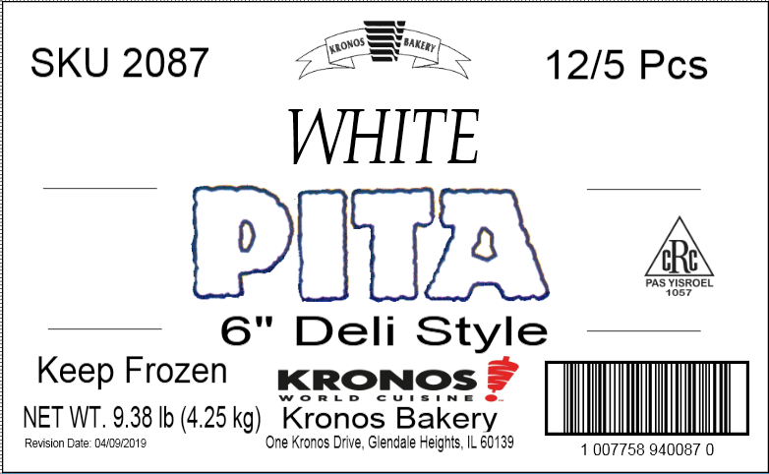

PALLET PATTERN

