2036
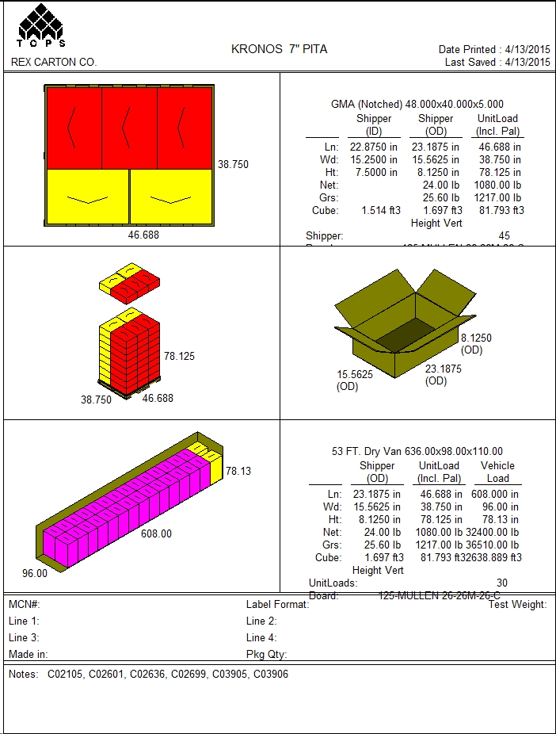
 |  |  | FINISHED PRODUCT SPECIFICATION

One Kronos Drive, Glendale Heights Illinois 60139 |  |  | Document: Research and Development
Effective Date: 08/24/2018 (REV#3) |  |  | Program: Specification Program
Revised By: Nancy Zuniga |  |  | Location: K/Finished Product Specification/Bakery
Approved By: Nick Spondike, Vice President - R&D / Executive Chef

Item Name: | PERFECT 7IN ORIGINAL PITA 12/10 CT |  |  |  |  | Item Number: | 002036
 | WB0306
Formula Number:

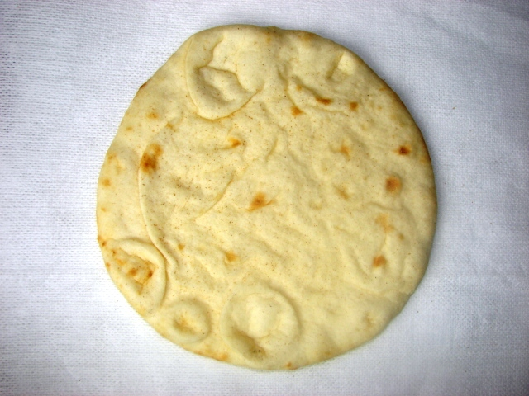
 |  |  |  | FINAL WEIGHT PER PITA
 |  |  |  | 3.2 oz |  | 91 g
 |  |  |  | FINISHED PITA DIMENSIONS
 |  |  |  |  | MINIMUM | TARGET | MAXIMUM
 |  |  |  | WEIGHT (oz) | 2.88 | 3.20 | 3.52
 |  |  |  | LENGTH (in.) | 7.00 | 7.25 | 7.50
 |  |  |  | WIDTH (in.) | N/A | N/A | N/A
 |  |  |  | HEIGHT (in.) | N/A | N/A | N/A

ITEM DESCRIPTION

Flavor: Typical Baked Flavor
Color: Fully Baked with Toast Points on Top and Bottom
Texture: Fluffy, Moist and Tender

ITEM PACKAGING

Primary Packaging: |  | 7" PRINTED BAGS |  | Primary Case Type: |  | PRINTED MASTER CASE
No. of Pieces / Bag: |  | 10 Pitas Per Bag |  | No. of Bags / Case: |  | 12 count bags
No. of Pieces / Case: |  | 120 Pitas |  | Case Gross Wt. (lbs): |  | 25.60 lbs
Cases Per Pallet: |  | 45 cases per pallet |  | Case Gross Wt. (kg): |  | 11.61 kg
Rows Per Pallet (Hi): |  | 9 Cases High |  | Case Net Wt. (lbs): |  | 24.00 lbs
Cases Per Row (Ti): |  | 5 Cases Per Layer |  | Case Net Wt. (kg): |  | 10.89 kg
Case Dimensions: |  | 23.1875 x 15.5625 x 8.1250 in. |  | Cases Cube (Cu. Ft.): |  | 1.697 Cu. Ft.
UPC Code Number: |  | 100 77589 40034 4 |  | Pallet Weight (lbs/kg): |  | 1217 lbs (552 kg)

STORAGE & SHELF LIFE & CODE DATE FORMAT

Storage Conditions: |  | FROZEN (0°F) |  |  | Distributed: | 10°F or Less
Shelf Life from Production: |  | Frozen (0°F): 6 Months (180 days) |  | Code Date Format: |  | Kwik Lok: 180011
 |  | Refrigerated (40°F): 14 Days |  |  |  | Example: 18 (Year) 001 (Julian Date) 1 (Line#)
 |  | Ambient (70°F): 7 Days
 |  |  |  |  |  | Master Case: 18001101
 |  |  |  |  |  | Example: 18 (Year) 001 (Julian Date) 1 (Line#) 01 (Military Hour)

Certified Kosher |  | Certified Halal |  | Certified Organic |  | Certified CN
YES |  | NO |  | NO |  | NO
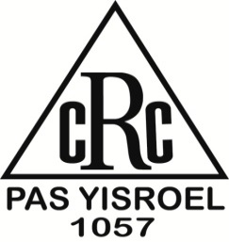

INGREDIENT STATEMENT

INGREDIENTS
WHEAT FLOUR ENRICHED ([NIACIN, REDUCED IRON, THIAMINE MONONITRATE, RIBOFLAVIN, FOLIC ACID], MALTED BARLEY FLOUR), WATER, SOYBEAN OIL, DOUGH CONDITIONER (SUGAR, SALT, GUAR GUM, WHEAT FLOUR, SODIUM ACID PYROPHOSPHATE, MONOGLYCERIDES, SODIUM BICARBONATE, SODIUM STEAROYL LACTYLATE [SSL], ENZYME, L. CYSTEINE), YEAST, VITAL WHEAT GLUTEN, CALCIUM PROPIONATE, FUMARIC ACID.

CONTAINS: WHEAT

PROCESSED IN A FACILITY THAT USES DAIRY AND SOY PRODUCTS.

NUTRITIONALS PER SERVING SIZE

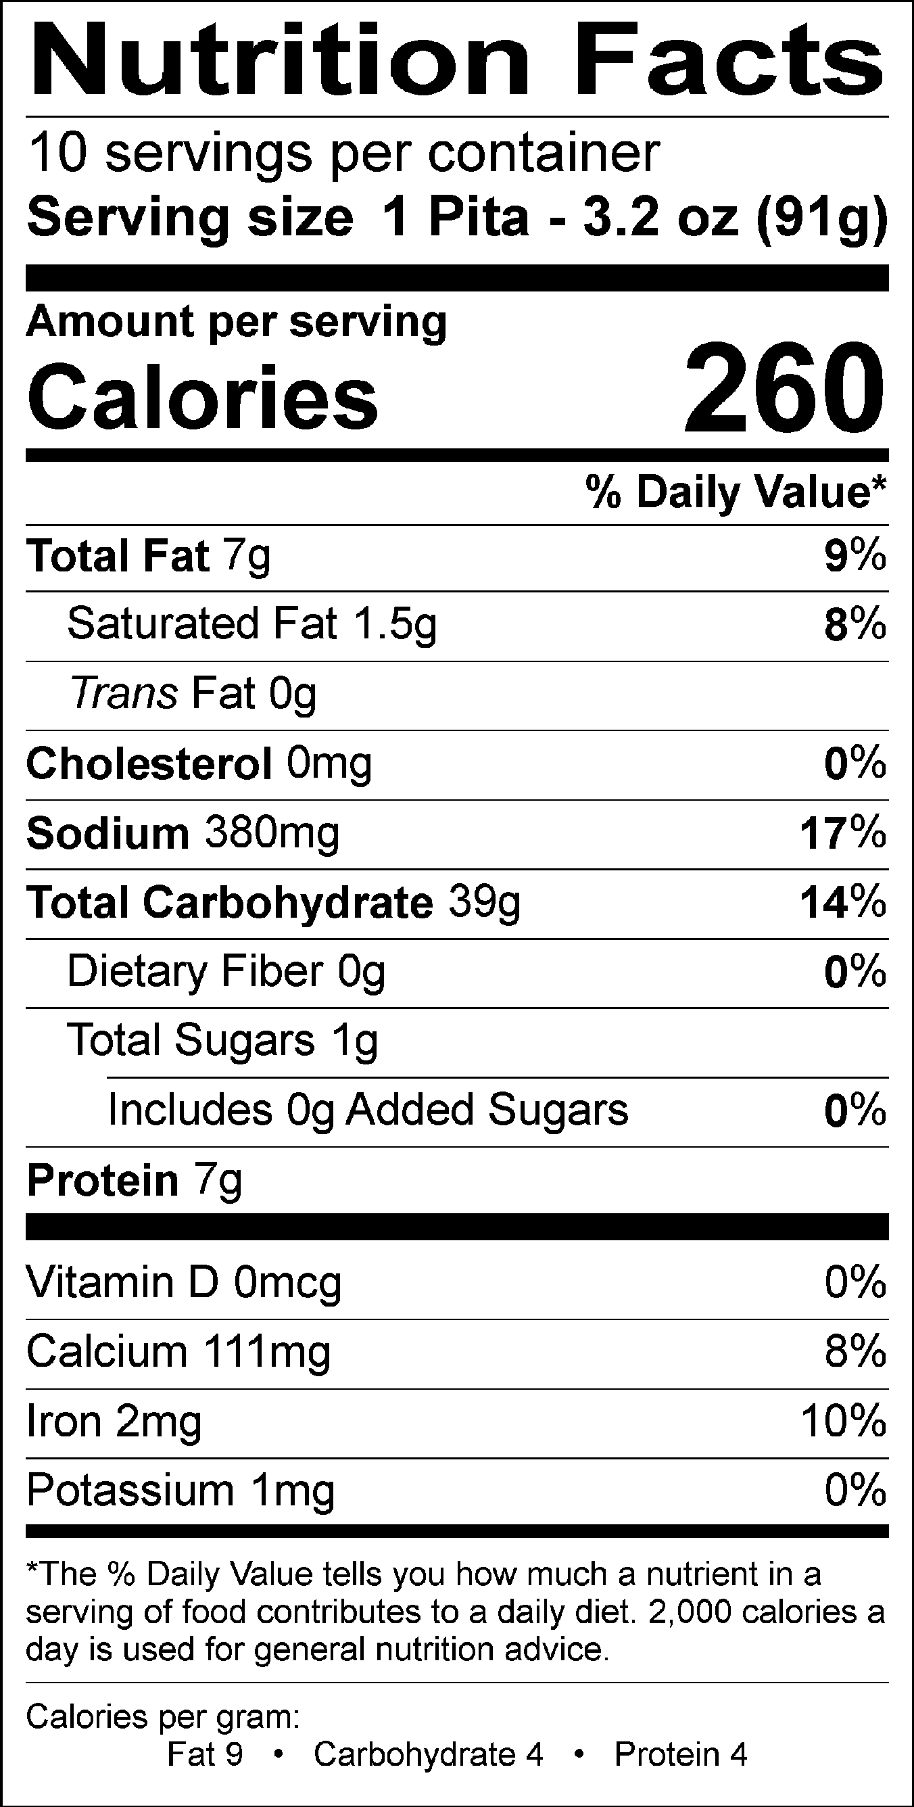
NUTRIENT CONTENT CLAIMS PER SERVING SIZE:
Cholesterol free
Good source of Protein
High Vitamin B-1
Good source of Vitamin B-2
Good source of Iron

Recommend Serving Size: 1 Pita - 3.2 oz. (91 g)
Servings Per Container: 10

ALLERGENS AND OTHER SENSITIVE INGREDIENTS

 |  |  | Column I | Column II | Column III

 |  | ALLERGEN | Present in the Product | Present in other products manufactured on the same line | Present in the same manufacturing plant

 |  | Peanut | NO | NO | NO
 |  | Tree Nuts | NO | NO | NO
 |  | Milk and Dairy Products | NO | NO | YES
 |  | Eggs | NO | NO | YES
 |  | Fish | NO | NO | NO
 |  | Shellfish and Molluscs | NO | NO | NO
 |  | Soy | NO | YES | YES
 |  | Wheat | YES | YES | YES
 |  | Sulfites, e.g., sulfur dioxide and sodium metabisulfites, etc | YES | YES | YES
 |  | Monosodium Glutamate (MSG) | NO | NO | YES

NUTRITIONALS VALUES (100g UNROUNDED)

Product: | PERFECT 7IN ORIGINAL PITA 12/10 CT |  |  |  | GENESIS R&D EFFECTIVE DATE: 08/27/2018

Nutrients | Per 100g | Nutrients | Per 100g | Nutrients | Per 100g | Nutrients | Per 100g
Basic Components |  | Poly Fat (g) | 4.08 | Vitamin B12 (mcg) | 0.00 | Magnesium (mg) | 0.08
Gram Weight (g) | 100.00 | Trans Fatty Acid (g) | 0.10 | Biotin (mcg) | 0.00 | Manganese (mg) | 0.00
Calories (kcal) | 281.90 | Cholesterol (g) | 0.00 | Vitamin C (mg) | 0.00 | Molybdenum (mcg) | 0.00
Calories from Fat (kcal) | 73.08 | Water | 30.98 | Vitamin D - IU (IU) | 0.42 | Phosphorus (mg) | 0.40
Calories from SatFat (kcal) | 12.87 | Ash (g) | 1.76 | Vitamin D - mcg (mcg) | 0.00 | Potassium (mg) | 1.10
Protein (g) | 7.82 | Vitamins |  | Vitamin E - Alpha-Toco (mg) | 0.00 | Selenium (mcg) | 0.11
Carbohydrates (g) | 43.04 | Vitamin A - IU (IU) | 0.03 | Folate (mcg) | 0.00 | Sodium (mg) | 412.72
Total Dietary Fiber (g) | 1.45 | Vitamin A - RE (RE) | 0.00 | Folate, DFE (mcg) | 0.00 | Zinc (mg) | 0.00
Total Soluble Fiber (g) | 0.02 | Vitamin A - RAE (mcg) | 0.00 | Vitamin K (mcg) | 0.00 | Chloride (mg) | 0.00
Dietary Fiber (2016) (g) | 0.28 | Carotenoid RE (RE) | 0.00 | Pantothenic Acid (mg) | 0.00 | Poly Fats
Soluble Fiber (2016) (g) | 0.00 | Retinol RE (RE) | 0.00 | Minerals |  | Omega 3 Fatty Acid (g) | 0.00
Total Sugars (g) | 1.13 | Beta-Carotene (mcg) | 0.00 | Calcium (mg) | 121.85 | Omega 6 Fatty Acid (g) | 0.00
Added Sugars (g) | 0.00 | Vitamin B1 (mg) | 0.37 | Chromium (mcg) | 0.00 | Other Nutrients
Other Carbs (g) | 0.09 | Vitamin B2 (mg) | 0.23 | Copper (mg) | 0.00 | Alcohol (g) | 0.00
Fat (g) | 8.12 | Vitamin B3 (mg) | 3.19 | Fluoride (mg) | 0.00 | Caffeine (mg) | 0.00
Saturated Fat (g) | 1.43 | Vitamin B3 - Niacin Equiv (mg) | 0.00 | Iodine (mcg) | 0.00 | Choline (mg) | 0.00
Mono Fat (g) | 1.68 | Vitamin B6 (mg) | 0.00 | Iron (mg) | 2.56

COLOR STANDARDS

 | TOP TARGET |  |  |  | BOTTOM TARGET

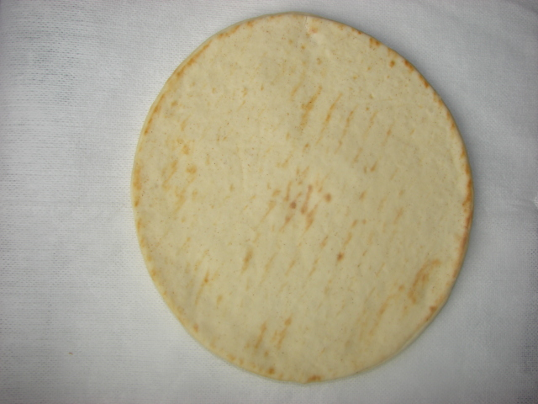

PALLET PATTERN

