1111
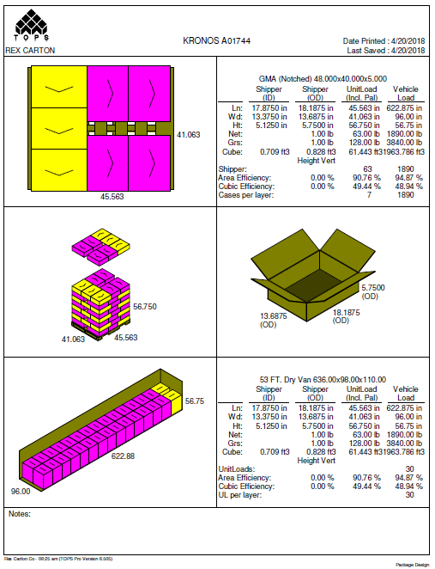
 |  |  | FINISHED PRODUCT SPECIFICATION

One Kronos Drive, Glendale Heights Illinois 60139 |  |  | Document: Research and Development
Effective Date: 09/26/2018 |  |  | Program: Specification Program
Revised By: Nancy Zuniga |  |  | Location: K/Finished Product Specification/Meat
Approved By: Nick Spondike, Vice President - R&D / Executive Chef

Item Name: | CHICKEN GYROS SLICES 4-5 LB |  |  |  |  | Item Number: | 001111

Formula Number: | WM0321

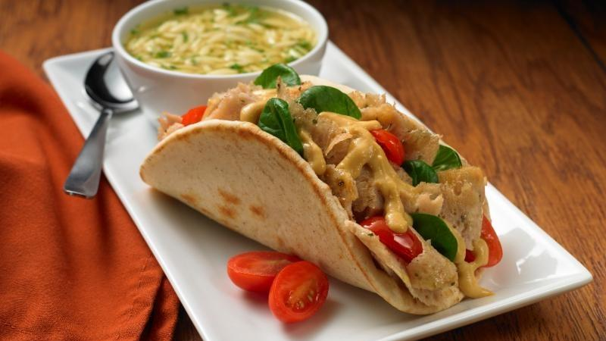
 |  |  |  | UNIT NET WEIGHT
 |  |  |  | 10.00 lbs |  | 4.54 kg
 |  |  |  | PRODUCT SPECIFICATIONS
 |  |  |  |  | MIN | TARGET | MAX
 |  |  |  | SLICE WEIGHT | 0.40 oz. | 0.50 oz. | 0.60 oz.
 |  |  |  | SLICE LENGTH | 5.50 in. | 5.75 in. | 6.00 in.
 |  |  |  | SLICE WIDTH | 1.75 in. | 2.00 in. | 2.25 in.
 |  |  |  | SLICE THICKNESS | 0.125 in. | 0.125 in. | 0.125 in.

ITEM DESCRIPTION

Flavor: Chicken Meat with a blend of moderate seasonings.
Physical Description: Crispy, moist and tender.
Color: Off White.

ITEM PACKAGING

Primary Packaging: |  | PLAIN BAG & DRY WAX PAPER |  | Primary Case Type: |  | Plain Inner & Plain Master Case with in-house case label
Cases Per Pallet: |  | 63 Cases Per Pallet |  | No. of Slices / Case: |  | Approximately 120 Slices
Rows Per Pallet (Hi): |  | 9 Cases High |  | Case Gross Wt. (lbs): |  | 21.00 lbs
Cases Per Row (Ti): |  | 7 Cases Per Layer |  | Case Gross Wt. (kg): |  | 9.53 kg
Case Dimensions (Inches): |  | 18.1875 x 13.6875 x 5.7500 in. |  | Case Net Wt. (lbs): |  | 20.00 lbs
UPC Code Number: |  | 0 77589 18111 6 |  | Case Net Wt. (kg): |  | 9.07 kg
SEC / ITF Number: |  | 100 77589 18111 3 |  | Cases Cube (Cu. Ft.): |  | 0.828 Cu. Ft.
Pallet Weight (lb & kg): |  | 1388 lbs (630 kg) |  | Pallet Pattern Height (In.): |  | 56.750 in.

STORAGE & SHELF LIFE & CODE DATE FORMAT

Storage Conditions: |  | FROZEN (0°F) |  |  | Distributed: | FROZEN (0°F)
Shelf Life from Production: |  | FROZEN (0°F) : 9 MONTHS |  | Code Date Format: |  | Manufacturing: 1800101101
 |  | (270 DAYS) |  |  |  | Example:
 |  |  |  |  |  | 18 (Year) 001 (Julian) 01 (Batch) 1 (Cook #) 01 (Military Hour)

 |  |  |  |  | Label Coding Format EXAMPLE: | LOT NUMBER: | 18 (Year) 350 (julian date) EX: 18350

 |  |  |  |  |  | PRODUCTION DATE: | MM/DD/YY EX: 12/15/18

 |  |  |  |  |  | USE BY DATE: | MM/DD/YY EX: 09/11/19

Certified Kosher |  | Certified Halal |  | Certified Organic |  | Certified CN
NO |  | NO |  | NO |  | NO

INGREDIENT STATEMENT

INGREDIENTS:
CHICKEN, WATER, CHICKEN SKINS, SOY PROTEIN CONCENTRATE, BREADCRUMBS (WHEAT FLOUR, DEXTROSE, SALT, YEAST), CONTAINS LESS THAN 2% OF CHICKEN BROTH, SALT, SEASONING (GARLIC POWDER, SPICES, ONION POWDER, HYDROLYZED CORN PROTEIN, YEAST EXTRACT, SOYBEAN OIL), NONFAT DRY MILK, SODIUM PHOSPHATE, YEAST EXTRACT, LEMON JUICE POWDER (CORN SYRUP SOLIDS, CONCENTRATED LEMON JUICE, LEMON OIL).

CONTAINS: MILK, SOY, WHEAT.

NUTRITIONALS PER SERVING SIZE

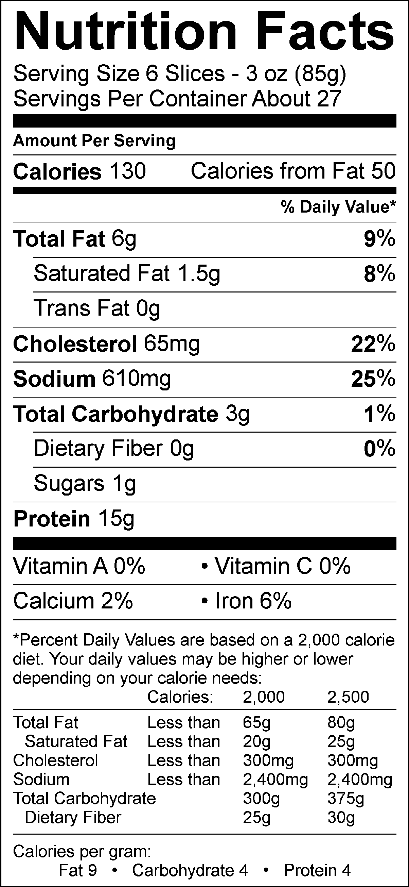
Nutrient Content Claims Per Serving Size:
High Vitamin B-3
Good source of Vitamin B-6
High Phosphorous
High Selenium

Recommend Serving Size: 6 Slices - 3 oz (85g)
Serving Per Container: About 27

ALLERGENS AND OTHER SENSITIVE INGREDIENTS

 |  |  | Column I | Column II | Column III

 |  | ALLERGEN | Present in the Product | Present in other products manufactured on the same line | Present in the same manufacturing plant

 |  | Peanut | NO | NO | NO
 |  | Tree Nuts | NO | NO | NO
 |  | Milk and Dairy Products | YES | YES | YES
 |  | Eggs | NO | NO | YES
 |  | Fish | NO | NO | NO
 |  | Shellfish and Molluscs | NO | NO | NO
 |  | Soy | YES | YES | YES
 |  | Wheat | YES | YES | YES
 |  | Sulfites, e.g., sulfur dioxide and sodium metabisulfites, etc | NO | NO | YES
 |  | Monosodium Glutamate (MSG) | NO | YES | YES

NUTRITIONALS VALUES (100g UNROUNDED)

Product: | CHICKEN GYROS SLICES 4-5 LB |  |  |  | GENESIS R&D / EFFECTIVE DATE: 08/01/18

Nutrients | Per 100g | Nutrients | Per 100g | Nutrients | Per 100g | Nutrients | Per 100g
Basic Components |  | Trans Fatty Acid (g) | 0.01 | Vitamin B12 (mcg) | 0.47 | Magnesium (mg) | 21.95
Gram Weight (g) | 100.00 | Cholesterol (mg) | 76.14 | Biotin (mcg) | 0.00 | Manganese (mg) | 0.11
Calories (kcal) | 149.80 | Water (g) | 69.41 | Vitamin C (mg) | 0.32 | Molybdenum (mcg) | 0.00
Calories from Fat (kcal) | 61.15 | Ash (g) | 2.66 | Vitamin D - IU (IU) | 3.71 | Phosphorus (mg) | 278.07
Calories from SatFat (kcal) | 16.77 | Insoluble Fiber (g) | 0.00 | Vitamin D - mcg (mcg) | 0.00 | Potassium (mg) | 235.30
Protein (g) | 17.73 | Vitamins |  | Vitamin E - Alpha-Toco (mg) | 0.12 | Selenium (mcg) | 15.14
Carbohydrates (g) | 3.73 | Vitamin A - IU (IU) | 53.90 | Folate (mcg) | 10.72 | Sodium (mg) | 717.55
Dietary Fiber (g) | 0.20 | Vitamin A - RE (RE) | 4.62 | Folate, DFE (mcg) | 11.10 | Zinc (mg) | 1.27
Soluble Fiber (g) | 0.00 | Vitamin A - RAE (RAE) | 14.27 | Vitamin K (mcg) | 1.91 | Chloride (mg) | 0.00
Total Sugars (g) | 0.89 | Carotenoid RE (RE) | 0.00 | Pantothenic Acid (mg) | 0.79 | Poly Fats
Monosaccharides (g) | 0.00 | Retinol RE (RE) | 4.62 | Minerals |  | Omega 3 Fatty Acid (g) | 0.04
Disaccharides (g) | 0.00 | Beta-Carotene (mcg) | 0.00 | Calcium (mg) | 25.54 | Omega 6 Fatty Acid (g) | 0.55
Other Carbs (g) | 0.13 | Vitamin B1 (mg) | 0.08 | Chromium (mcg) | 0.00 | Other Nutrients
Fat (g) | 6.79 | Vitamin B2 (mg) | 0.16 | Copper (mg) | 0.06 | Alcohol (g) | 0.00
Saturated Fat (g) | 1.86 | Vitamin B3 (mg) | 4.23 | Fluoride (mg) | 0.00 | Caffeine (mg) | 0.00
Mono Fat (g) | 2.67 | Vitamin B3 - Niacin Equiv (mg) | 6.43 | Iodine (mcg) | 0.00 | Choline (mg) | 35.38
Poly Fat (g) | 1.49 | Vitamin B6 (mg) | 0.32 | Iron (mg) | 1.28

IN-HOUSE INNER CASE LABEL

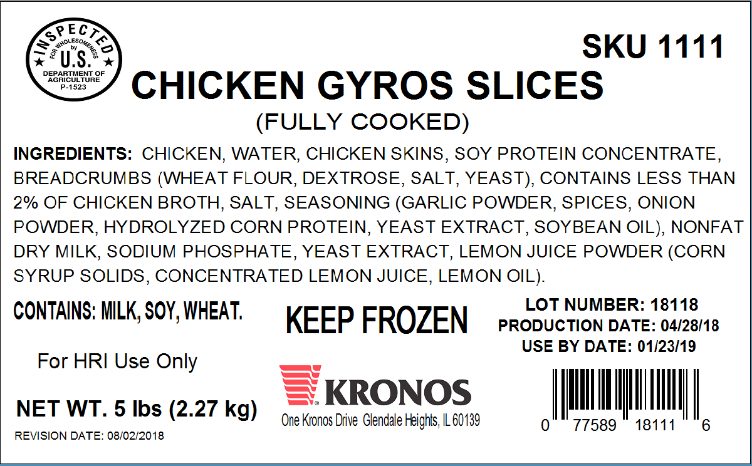

IN-HOUSE MASTER CASE LABEL

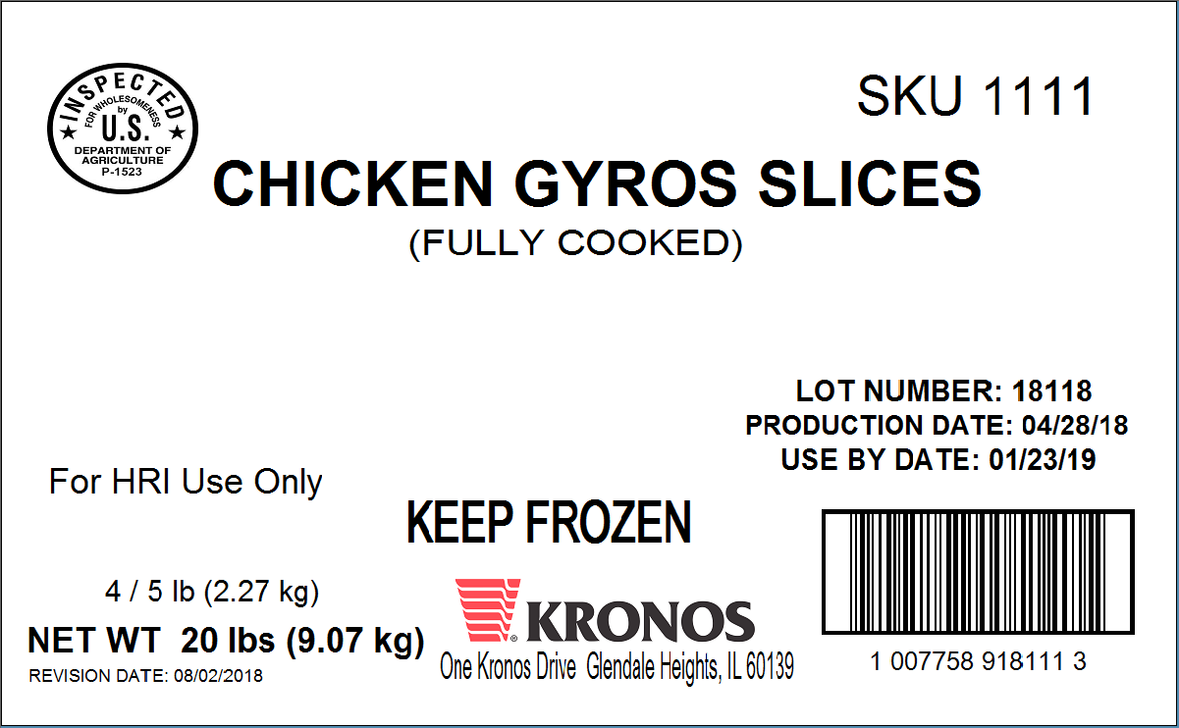

PALLET PATTERN

