1555
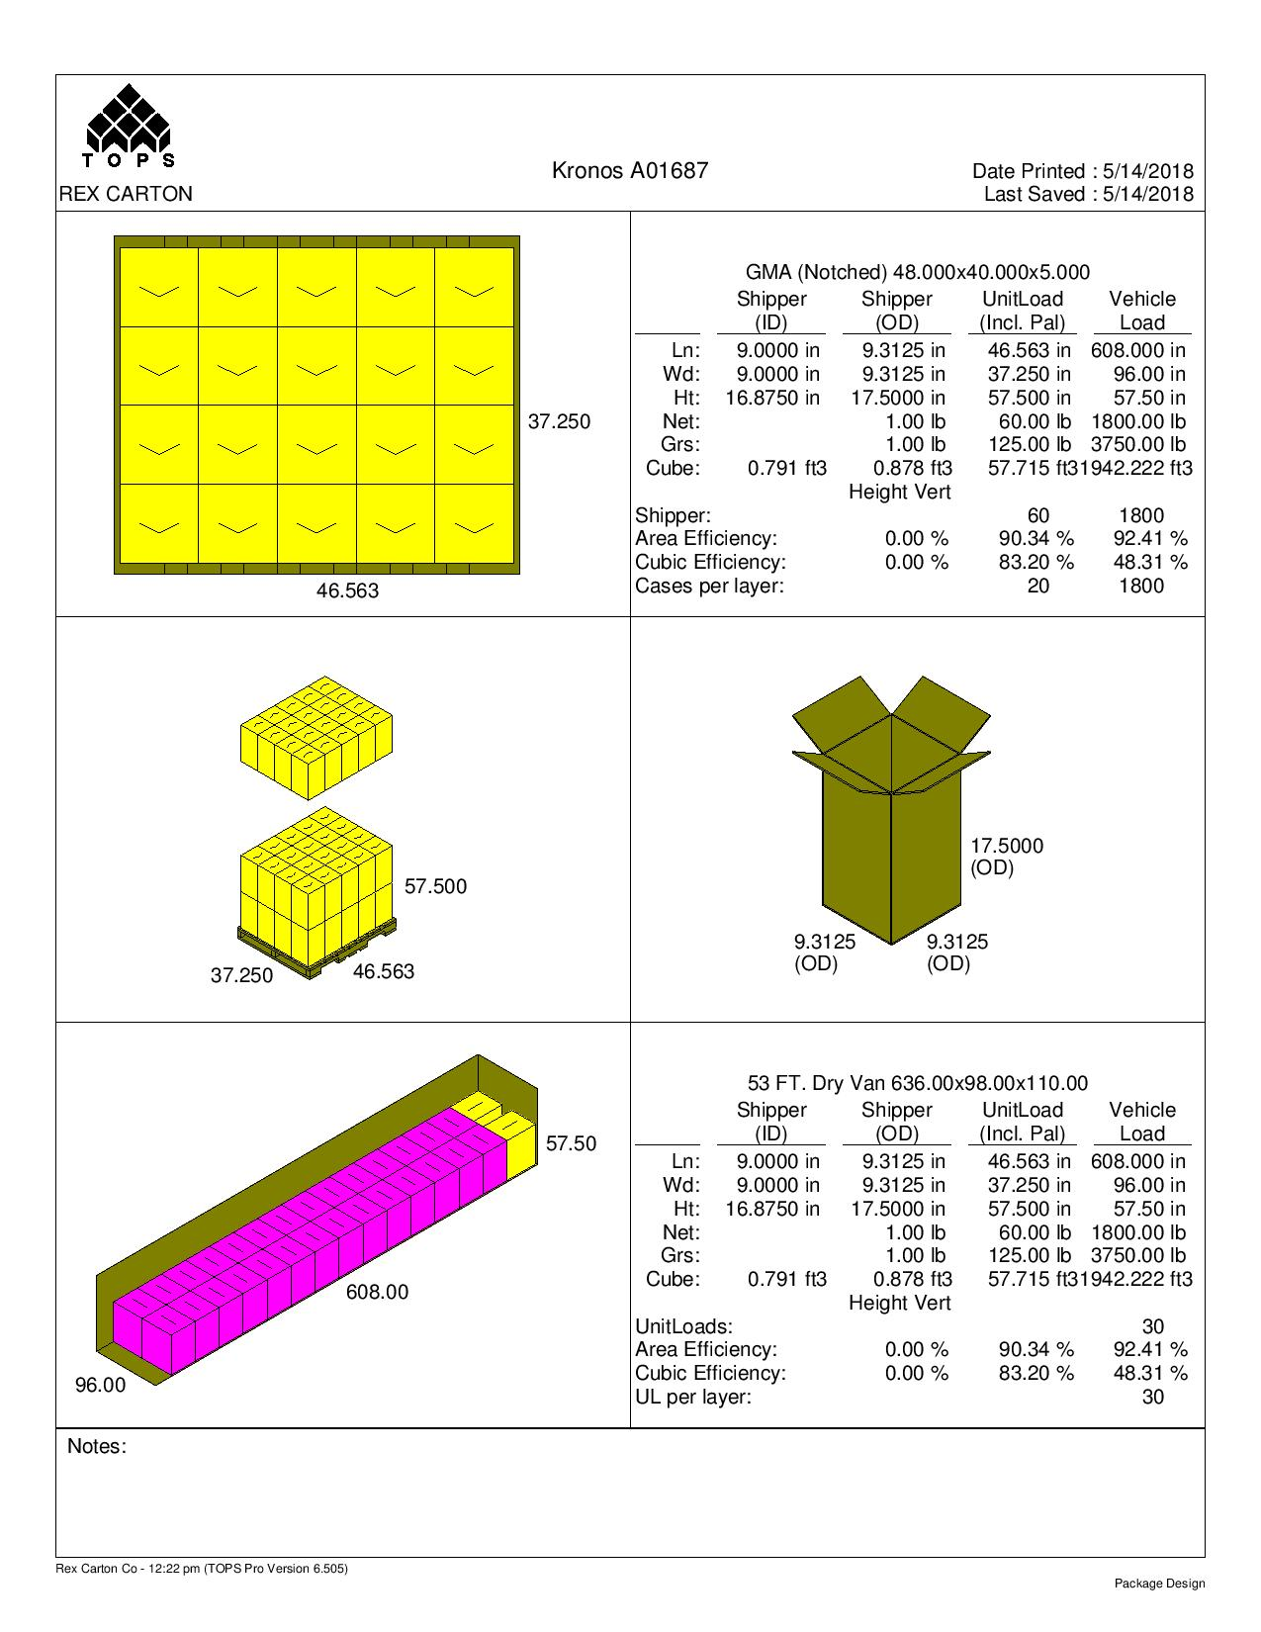
 |  |  | FINISHED PRODUCT SPECIFICATION

One Kronos Drive, Glendale Heights Illinois 60139 |  |  | Document: Research and Development
Effective Date: 05/18/2018 |  |  | Program: Specification Program
Revised By: Nancy Zuniga |  |  | Location: K/Finished Product Specification/Meat
Approved By: Nick Spondike, Vice President - R&D / Executive Chef

Item Name: | CENTRAL NO MSG BEEF AND LAMB CONE 1-30 LB |  |  |  |  | Item Number: | 001555

Formula Number: | WM0236

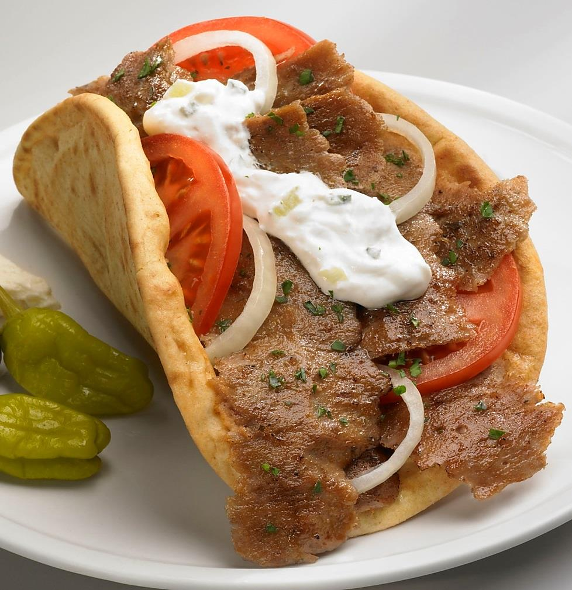

 |  |  |  | UNIT NET WEIGHT
 |  |  |  | 30 lbs |  | 13.6 kg
 |  |  |  | PRODUCT SPECIFICATIONS
 |  |  |  | DIMENSIONS | SIZE (in.) | VARIANCE
 |  |  |  | CONE TOP | 8.00 in. | (± 0.25 in.)
 |  |  |  | CONE BOTTOM | 7.75 in. | (± 0.25 in.)
 |  |  |  | CONE HEIGHT | 16.75 in. | (± 0.25 in.)

ITEM DESCRIPTION

Flavor: A beef and lamb flavor with a blend of selected Mediterranean spices flavor.
Physical Description: Crispy, moist and tender.
Color: Pinkish to Brownish Color.

ITEM PACKAGING

Primary Packaging: |  | Plain Plastic Bags / Kwick Locks |  | Primary Case Type: |  | Plain Box / In-House Case Label
Cases Per Pallet: |  | 60 Cases per pallet |  | No. of Cones / Case: |  | 1/30 lb Cone
Rows Per Pallet (Hi): |  | 3 Cases High |  | Case Gross Wt. (lbs): |  | 31.00 lbs
Cases Per Row (Ti): |  | 20 Cases Per Layer |  | Case Gross Wt. (kg): |  | 14.1 kg
Case Dimensions (Inches): |  | 9.3125 x 9.3125 x 17.5000 in. |  | Case Net Wt. (lbs): |  | 30.00 lbs
UPC Code Number: |  | N/A |  | Case Net Wt. (kg): |  | 13.6 kg
SEC / ITF Number: |  | 100 77589 17555 6 |  | Cases Cube (Cu. Ft.): |  | 0.878 Cu. Ft.
Pallet Weight (lb & kg): |  | 1985 lbs (900.38 kg) |  | Pallet Pattern Height (In.): |  | 57.50 in.

STORAGE & SHELF LIFE & CODE DATE FORMAT

Storage Conditions: |  | FROZEN (0°F) |  |  | Distributed: | FROZEN (0°F)
Shelf Life from Production: |  | FROZEN (0°F) : 9 MONTHS |  | Code Date Format: |  | Manufacturing: 18001012
 |  | (270 DAYS) |  |  |  | Example:
 |  |  |  |  |  | 18 (Year) 001 (Julian) 01 (Batch) 2 (Line)

Certified Kosher |  | Certified Halal |  | Certified Organic |  | Certified CN
NO |  | NO |  | NO |  | NO

INGREDIENT STATEMENT

INGREDIENTS:
BEEF, WATER, BREADCRUMBS (WHEAT FLOUR, DEXTROSE, SALT, YEAST), SOY PROTEIN CONCENTRATE, LAMB, CONTAINS LESS THAN 2% OF SALT, SEASONING (SPICES, GARLIC POWDER, ONION POWDER, SOYBEAN OIL).

CONTAINS: SOY, WHEAT.

NUTRITIONALS PER SERVING SIZE

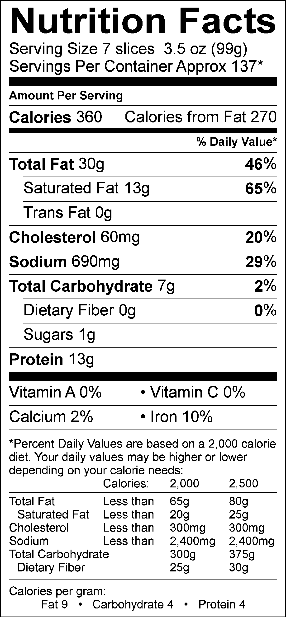
Nutrient Content Claims Per Serving Size:
Good source of Iron

Recommend Serving Size: 7 Slices - 3.05 oz
Servings Per Container: Approx 137*
*Gyro Cone Servings Size are approximate; yields are established during regularly performed Quality Control Cuttings and averaged. While every effort has been made to ensure its accuracy; seasonal variation in cattle, herd, feed and climate, region and time to slaughter may alter these results. Actual Serving Size Can Vary.

ALLERGENS AND OTHER SENSITIVE INGREDIENTS

 |  |  | Column I | Column II | Column III

 |  | ALLERGEN | Present in the Product | Present in other products manufactured on the same line | Present in the same manufacturing plant

 |  | Peanut | NO | NO | NO
 |  | Tree Nuts | NO | NO | NO
 |  | Milk and Dairy Products | NO | NO | YES
 |  | Eggs | NO | NO | YES
 |  | Fish | NO | NO | NO
 |  | Shellfish and Molluscs | NO | NO | NO
 |  | Soy | YES | YES | YES
 |  | Wheat | YES | YES | YES
 |  | Sulfites, e.g., sulfur dioxide and sodium metabisulfites, etc | NO | NO | YES
 |  | Monosodium Glutamate (MSG) | NO | YES | YES

NUTRITIONALS VALUES (100g UNROUNDED)

Product: | CENTRAL NO MSG BEEF AND LAMB CONE 1-30 LB |  |  |  | GENESIS EFFECTIVE DATE: 05/18/2018

Nutrients | Per 100g | Nutrients | Per 100g | Nutrients | Per 100g | Nutrients | Per 100g
Basic Components |  | Trans Fatty Acid (g) | 0.00 | Vitamin B12 (mcg) | 0.60 | Magnesium (mg) | 9.04
Gram Weight (g) | 100.00 | Cholesterol (mg) | 61.60 | Biotin (mcg) | 0.02 | Manganese (mg) | 0.13
Calories (kcal) | 363.77 | Water (g) | 45.23 | Vitamin C (mg) | 0.27 | Molybdenum (mcg) | 0.67
Calories from Fat (kcal) | 277.22 | Ash (g) | 2.29 | Vitamin D - IU (IU) | 0.00 | Phosphorus (mg) | 79.93
Calories from SatFat (kcal) | 114.02 | Insoluble Fiber (g) | 0.15 | Vitamin D - mcg (mcg) | 0.00 | Potassium (mg) | 107.11
Protein (g) | 13.62 | Vitamins |  | Vitamin E - Alpha-Toco (mg) | 0.04 | Selenium (mcg) | 4.11
Carbohydrates (g) | 7.57 | Vitamin A - IU (IU) | 17.74 | Folate (mcg) | 26.49 | Sodium (mg) | 673.64
Dietary Fiber (g) | 0.43 | Vitamin A - RE (RE) | 0.00 | Folate, DFE (mcg) | 11.94 | Zinc (mg) | 1.25
Soluble Fiber (g) | 0.02 | Vitamin A - RAE (RAE) | 0.00 | Vitamin K (mcg) | 0.31 | Chloride (mg) | 0.00
Total Sugars (g) | 0.17 | Carotenoid RE (RE) | 0.00 | Pantothenic Acid (mg) | 0.09 | Poly Fats
Monosaccharides (g) | 0.00 | Retinol RE (RE) | 0.00 | Minerals |  | Omega 3 Fatty Acid (g) | 0.06
Disaccharides (g) | 0.00 | Beta-Carotene (mcg) | 0.00 | Calcium (mg) | 21.73 | Omega 6 Fatty Acid (g) | 0.18
Other Carbs (g) | 5.53 | Vitamin B1 (mg) | 0.10 | Chromium (mcg) | 0.30 | Other Nutrients
Fat (g) | 30.33 | Vitamin B2 (mg) | 0.09 | Copper (mg) | 0.05 | Alcohol (g) | 0.00
Saturated Fat (g) | 12.54 | Vitamin B3 (mg) | 1.08 | Fluoride (mg) | 0.00 | Caffeine (mg) | 0.00
Mono Fat (g) | 13.06 | Vitamin B3 - Niacin Equiv (mg) | 2.03 | Iodine (mcg) | 0.00 | Choline (mg) | 0.00
Poly Fat (g) | 1.18 | Vitamin B6 (mg) | 0.08 | Iron (mg) | 2.06

IN-HOUSE MASTER CASE LABEL

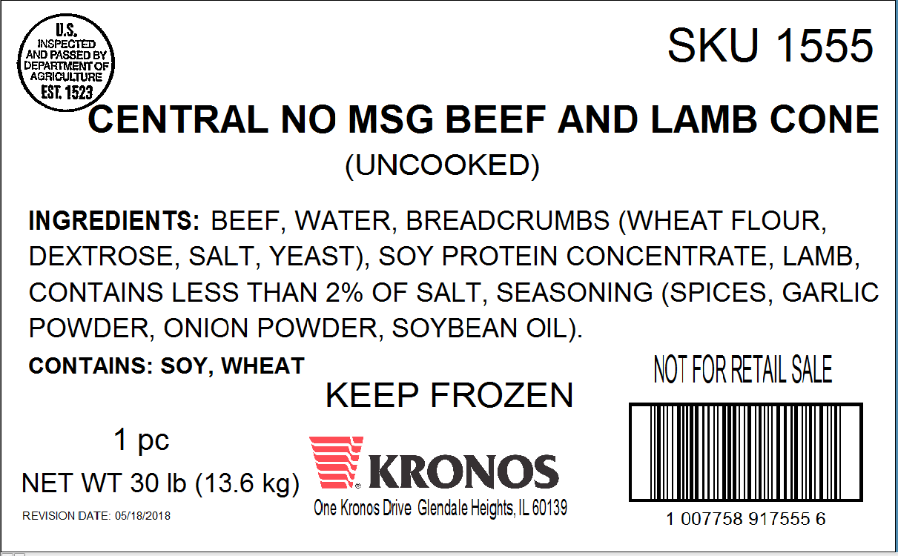

PALLET PATTERN

