1070
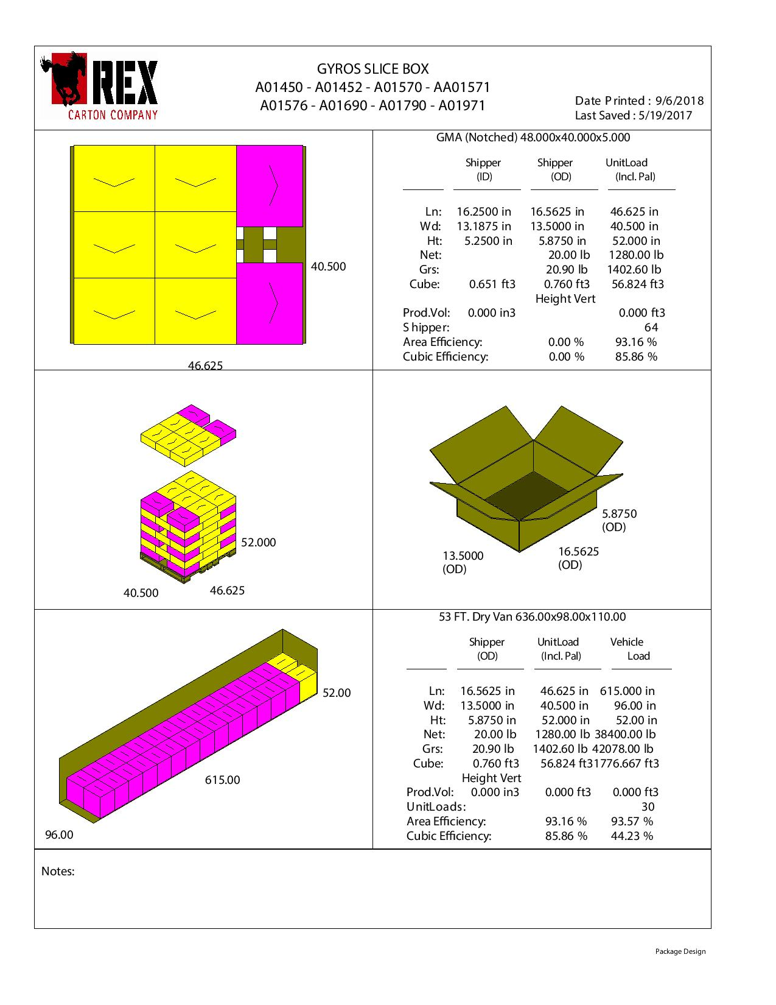
 |  |  | FINISHED PRODUCT SPECIFICATION

One Kronos Drive, Glendale Heights Illinois 60139 |  |  | Document: Research and Development
Effective Date: 03/11/2019 |  |  | Program: Specification Program
Revised By: Nancy Zuniga |  |  | Location: K/Finished Product Specification/Meat
Approved By: Nick Spondike, Vice President - R&D / Executive Chef

Item Name: | PREMIUM GYROS SLICES 4-5 LB |  |  |  |  | Item Number: | 001070

Formula Number: | WM0103

 |  |  |  | UNIT NET WEIGHT
 |  |  |  | 10.00 lbs |  | 4.54 kg
 |  |  |  | PRODUCT SPECIFICATIONS
 |  |  |  |  | MIN | TARGET | MAX
 |  |  |  | SLICE WEIGHT | 0.40 oz. | 0.50 oz | 0.60 oz.
 |  |  |  | SLICE LENGTH | 5.50 in. | 5.75 in. | 6.00 in.
 |  |  |  | SLICE WIDTH | 1.75 in. | 2.00 in. | 2.25 in.
 |  |  |  | SLICE THICKNESS | 0.125 in. | 0.125 in. | 0.125 in.

ITEM DESCRIPTION

Flavor: A beef flavor with a blend of selected Mediterranean spices flavor.
Physical Description: Crispy, moist and tender.
Color: Pinkish to Brownish Color.

ITEM PACKAGING

Primary Packaging: |  | PLAIN BAG & DRY WAX PAPER |  | Primary Case Type: |  | Printed Master Case
Cases Per Pallet: |  | 64 Cases |  | No. of Strips / Case: |  | Approximately 160 Slices
Rows Per Pallet (Hi): |  | 8 Cases High |  | Case Gross Wt. (lbs): |  | 20.90 lbs
Cases Per Row (Ti): |  | 8 Cases Per Layer |  | Case Gross Wt. (kg): |  | 9.48 kg
Case Dimensions (Inches): |  | 16.5625 x 13.5000 x 5.8750 in. |  | Case Net Wt. (lbs): |  | 20.00 lbs
UPC Code Number: |  | 0 77589 17070 7 |  | Case Net Wt. (kg): |  | 9.07 kg
SEC / ITF Number: |  | 100 77589 17070 4 |  | Cases Cube (Cu. Ft.): |  | 0.76 Cu. Ft.
Pallet Weight (lb & kg): |  | 1402.60 lbs (636 kg) |  | Pallet Pattern Height (In.): |  | 52.00 in.

STORAGE & SHELF LIFE & CODE DATE FORMAT

Storage Conditions: |  | FROZEN (0°F) |  |  | Distributed: | FROZEN (0°F)
Shelf Life from Production: |  | FROZEN (0°F) : 9 MONTHS |  | Code Date Format: |  | Manufacturing: 1900101101
 |  | (270 DAYS) |  |  |  | Example:
 |  |  |  |  |  | 19 (Year) 001 (Julian) 01 (Batch) 1 (Cook #) 01 (Military Hour)

Certified Kosher |  | Certified Halal |  | Certified Organic |  | Certified CN
NO |  | NO |  | NO |  | NO

INGREDIENT STATEMENT

INGREDIENTS:
BEEF, BREAD CRUMBS (BLEACHED WHEAT FLOUR, WATER, DEXTROSE, SALT & YEAST, MAY CONTAIN SOYBEAN OIL, CALCIUM PROPIONATE AND/OR ENRICHED WHEAT FLOUR [WHEAT FLOUR, MALTED BARLEY FLOUR, NIACIN, REDUCED IRON, THIAMIN MONONITRATE, RIBOFLAVIN, FOLIC ACID], WATER, SOYBEAN OIL, YEAST, SUGAR, SALT, HONEY, OLIVE OIL), WATER, CONTAINS LESS THAN 2% OF ONIONS, SALT, SPICES, DEHYDRATED GARLIC, SPEARMINT, SOY PROTEIN CONCENTRATE, MONOSODIUM GLUTAMATE.

CONTAINS: SOY, WHEAT.

NUTRITIONALS PER SERVING SIZE

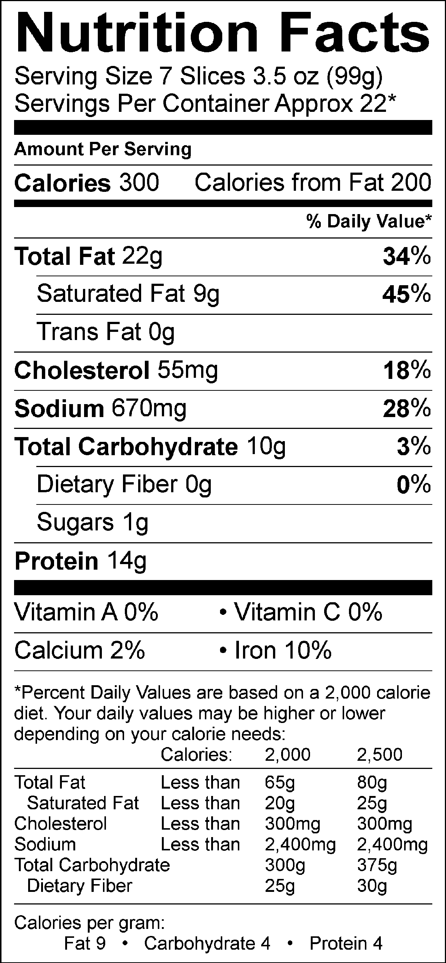
Nutrient Content Claims Per Serving Size:
High Vitamin B-12
Good source of Zinc
Good source of Iron
Good source of Selenium

Recommend Serving Size: 7 Slices - 3.5 oz (99g)
Servings Per Container: Approx. 22*
*Kronos Gyro Cone Servings Size are approximate; yields are established during regularly performed Quality Control Cuttings and averaged. While every effort has been made to ensure its accuracy; seasonal variation in cattle, herd, feed and climate, region and time to slaughter may alter these results. Actual Serving Size Can Vary.

ALLERGENS AND OTHER SENSITIVE INGREDIENTS

 |  |  | Column I | Column II | Column III

 |  | ALLERGEN | Present in the Product | Present in other products manufactured on the same line | Present in the same manufacturing plant

 |  | Peanut | NO | NO | NO
 |  | Tree Nuts | NO | NO | NO
 |  | Milk and Dairy Products | NO | NO | YES
 |  | Eggs | NO | NO | YES
 |  | Fish | NO | NO | NO
 |  | Shellfish and Molluscs | NO | NO | NO
 |  | Soy | YES | YES | YES
 |  | Wheat | YES | YES | YES
 |  | Sulfites, e.g., sulfur dioxide and sodium metabisulfites, etc | NO | NO | YES
 |  | Monosodium Glutamate (MSG) | YES | YES | YES

NUTRITIONALS VALUES (100g UNROUNDED)

Product: | PREMIUM GYROS SLICES 4-5 LB |  |  |  | GENESIS EFFECTIVE DATE: 03/11/2019

Nutrients | Per 100g | Nutrients | Per 100g | Nutrients | Per 100g | Nutrients | Per 100g
Basic Components |  | Trans Fatty Acid (g) | 0.00 | Vitamin B12 (mcg) | 0.98 | Magnesium (mg) | 7.83
Gram Weight (g) | 100.00 | Cholesterol (mg) | 57.75 | Biotin (mcg) | 0.06 | Manganese (mg) | 0.01
Calories (kcal) | 314.68 | Water (g) | 47.41 | Vitamin C (mg) | 0.34 | Molybdenum (mcg) | 1.27
Calories from Fat (kcal) | 214.16 | Ash (g) | 2.30 | Vitamin D - IU (IU) | 0.00 | Phosphorus (mg) | 84.38
Calories from SatFat (kcal) | 87.11 | Insoluble Fiber (g) | 0.00 | Vitamin D - mcg (mcg) | 0.00 | Potassium (mg) | 144.89
Protein (g) | 14.16 | Vitamins |  | Vitamin E - Alpha-Toco (mg) | 0.06 | Selenium (mcg) | 6.42
Carbohydrates (g) | 10.22 | Vitamin A - IU (IU) | 42.73 | Folate (mcg) | 2.80 | Sodium (mg) | 674.22
Dietary Fiber (g) | 0.30 | Vitamin A - RE (RE) | 0.00 | Folate, DFE (mcg) | 2.80 | Zinc (mg) | 1.77
Soluble Fiber (g) | 0.00 | Vitamin A - RAE (RAE) | 0.00 | Vitamin K (mcg) | 0.53 | Chloride (mg) | 0.00
Total Sugars (g) | 0.72 | Carotenoid RE (RE) | 0.00 | Pantothenic Acid (mg) | 0.13 | Poly Fats
Monosaccharides (g) | 0.06 | Retinol RE (RE) | 0.00 | Minerals |  | Omega 3 Fatty Acid (g) | 0.04
Disaccharides (g) | 0.02 | Beta-Carotene (mcg) | 0.02 | Calcium (mg) | 14.54 | Omega 6 Fatty Acid (g) | 0.14
Other Carbs (g) | 0.15 | Vitamin B1 (mg) | 0.06 | Chromium (mcg) | 0.42 | Other Nutrients
Fat (g) | 23.80 | Vitamin B2 (mg) | 0.09 | Copper (mg) | 0.03 | Alcohol (g) | 0.00
Saturated Fat (g) | 9.68 | Vitamin B3 (mg) | 1.40 | Fluoride (mg) | 0.00 | Caffeine (mg) | 0.00
Mono Fat (g) | 10.25 | Vitamin B3 - Niacin Equiv (mg) | 2.19 | Iodine (mcg) | 0.04 | Choline (mg) | 0.11
Poly Fat (g) | 0.97 | Vitamin B6 (mg) | 0.14 | Iron (mg) | 2.20 | Sugar Alcohol (g) | 0.00

PRINTED MASTER CASE

PALLET PATTERN

